Figure 1.1
Figure 1.1 Age-standardized COVID-19 incidence rate ratios comparing public health unit rates to the Ontario rate, for people diagnosed with cancer, 2020 to 2021

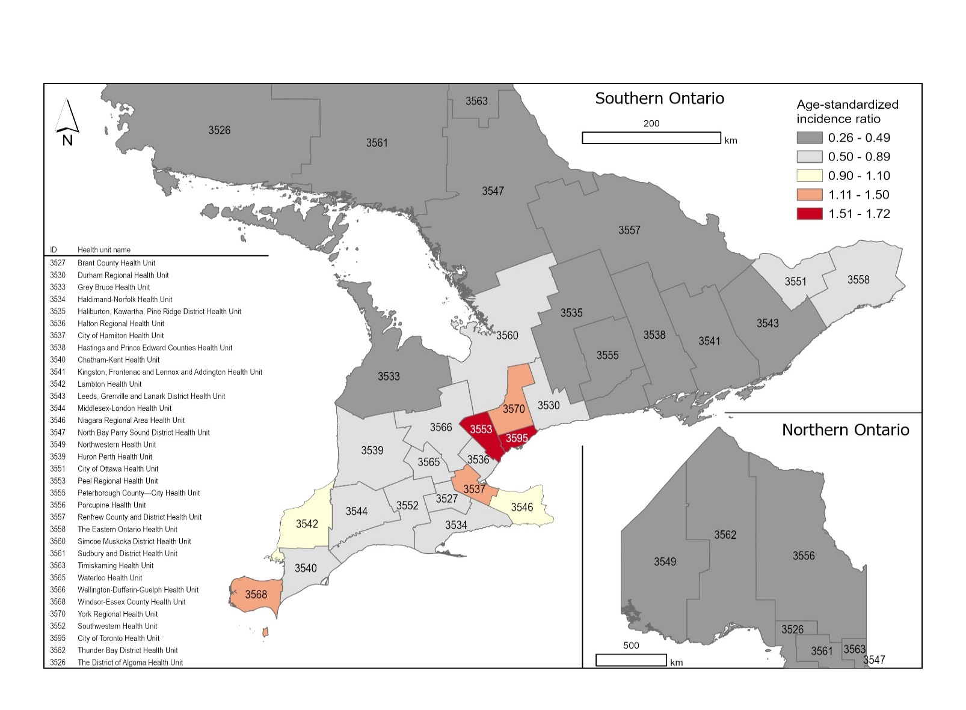
Public health unit ID | Public health unit name | Age-standardized incidence ratio (95% Confidence interval)
3526 | The District of Algoma Health Unit | 689.5 (483.4—895.5)
3527 | Brant County Health Unit | 1380.2 (1079.6—1680.7)
3530 | Durham Regional Health Unit | 1701.3 (1545.4—1857.3)
3533 | Grey Bruce Health Unit | 793.1 (606.0—980.2)
3534 | Haldimand-Norfolk Health Unit | 1414.3 (1104.4—1724.2)
3535 | Haliburton, Kawartha, Pine Ridge District Health Unit | 660.6 (498.8—822.5)
3536 | Halton Regional Health Unit | 1651.3 (1485.7—1816.9)
3537 | City of Hamilton Health Unit | 2315.3 (2115.9—2514.6)
3538 | Hastings and Prince Edward Counties Health Unit | 679.3 (501.4—857.3)
3539 | Huron Perth Health Unit | 982.4 (737.9—1227.0)
3540 | Chatham-Kent Health Unit | 1134.8 (832.2—1437.5)
3541 | Kingston, Frontenac and Lennox and Addington Health Unit | 683.1 (511.7—854.5)
3542 | Lambton Health Unit | 1922.4 (1568.0—2276.9)
3543 | Leeds, Grenville and Lanark District Health Unit | 722.5 (549.5—895.5)
3544 | Middlesex-London Health Unit | 1273.1 (1113.4—1432.9)
3546 | Niagara Regional Area Health Unit | 1950 (1764.2—2135.8)
3547 | North Bay Parry Sound District Health Unit | 504.3 (326.8—681.8)
3549 | Northwestern Health Unit | 570.0 (271.4—868.6)
3551 | City of Ottawa Health Unit | 1399.5 (1280.9—1518.1)
3552 | Southwestern Health Unit | 1404.7 (1158.5—1651.0)
3553 | Peel Regional Health Unit | 3381.5 (3216.7—3546.4)
3555 | Peterborough County-City Health Unit | 791.0 (583.8—998.1)
3556 | Porcupine Health Unit | 943.1 (626.1—1260.1)
3557 | Renfrew County and District Health Unit | 669.5 (441.1—898.0)
3558 | The Eastern Ontario Health Unit | 1566.8 (1315.2—1818.4)
3560 | Simcoe Muskoka District Health Unit | 1206.6 (1072.9—1340.2)
3561 | Sudbury and District Health Unit | 917.8 (719.2—1116.5)
3562 | Thunder Bay District Health Unit | 948.8 (723.3—1174.3)
3563 | Timiskaming Health Unit | 516.9 (158.7—875.1)
3565 | Waterloo Health Unit | 1652.2 (1477.6—1826.8)
3566 | Wellington-Dufferin-Guelph Health Unit | 1316.8 (1104.6—1528.9)
3568 | Windsor-Essex County Health Unit | 2598.5 (2360.3—2836.7)
3570 | York Regional Health Unit | 2551.3 (2405.0—2697.7)
3595 | City of Toronto Health Unit | 2998.4 (2894.5—3102.2)
Notes:
• Incidence rate ratios were indirectly standardized using age-specific rates among people in Ontario diagnosed with cancer from 2015 to 2020.
• The number of cases of COVID-19 in the Case and Contact Management Solution is an underestimate because not all people with COVID-19 develop symptoms, seek medical treatment or testing, so the disease goes unreported. The data source includes only confirmed cases.
Analysis by: Surveillance, Ontario Health (Cancer Care Ontario)
Data sources: Ontario Cancer Registry (September 2023), Ontario Health (Cancer Care Ontario); Case and Contact Management Solution (Ministry of Health)

Figure 1.2
Figure 1.2 Incidence counts by month, Ontario, 2019 to 2022

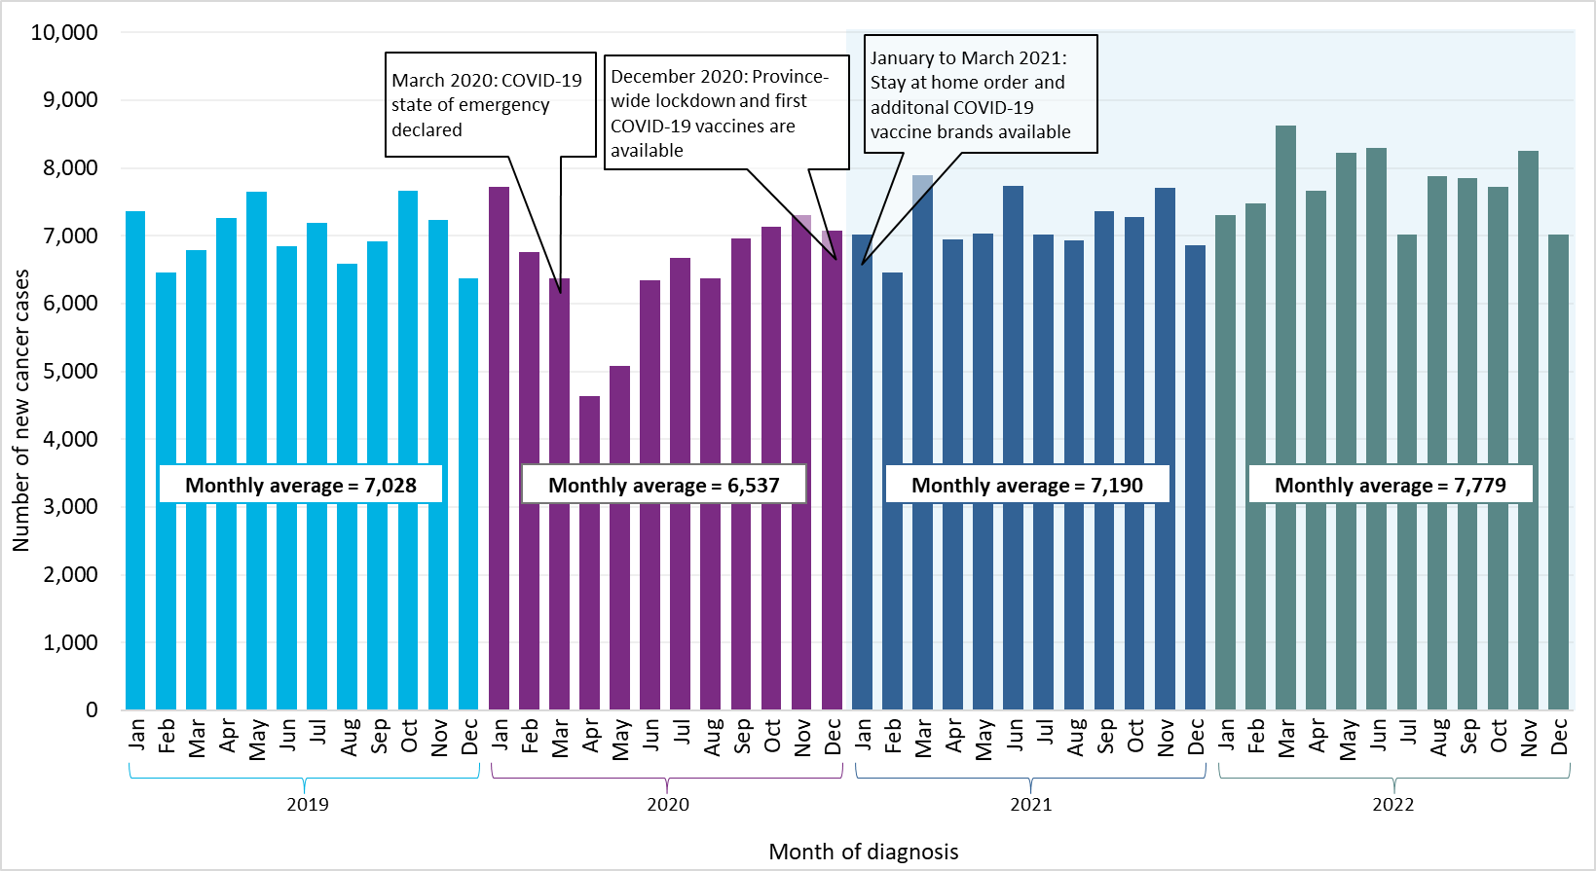
Year of diagnosis | Month of diagnosis | New cases
2019 | Jan | 7365
2019 | Feb | 6456
2019 | Mar | 6786
2019 | Apr | 7260
2019 | May | 7655
2019 | Jun | 6841
2019 | Jul | 7191
2019 | Aug | 6584
2019 | Sep | 6920
2019 | Oct | 7659
2019 | Nov | 7239
2019 | Dec | 6376
2020 | Jan | 7727
2020 | Feb | 6760
2020 | Mar | 6378
2020 | Apr | 4637
2020 | May | 5076
2020 | Jun | 6338
2020 | Jul | 6675
2020 | Aug | 6368
2020 | Sep | 6962
2020 | Oct | 7133
2020 | Nov | 7305
2020 | Dec | 7079
2021 | Jan | 7025
2021 | Feb | 6456
2021 | Mar | 7898
2021 | Apr | 6945
2021 | May | 7037
2021 | Jun | 7740
2021 | Jul | 7024
2021 | Aug | 6928
2021 | Sep | 7359
2021 | Oct | 7282
2021 | Nov | 7712
2021 | Dec | 6868
2022 | Jan | 7307
2022 | Feb | 7482
2022 | Mar | 8627
2022 | Apr | 7660
2022 | May | 8231
2022 | Jun | 8300
2022 | Jul | 7017
2022 | Aug | 7879
2022 | Sep | 7856
2022 | Oct | 7717
2022 | Nov | 8253
2022 | Dec | 7016
Notes:
• Incidence counts are based on the National Cancer lnstitute’s Surveillance, Epidemiology and End Results standards for counting multiple primary cancers, which were adopted by the Ontario Cancer Registry for cases diagnosed from 2010 onward.
• Years with a blue shaded background indicate provisional cancer case counts and should therefore be interpreted with caution.
• Data for diagnosis years 2021 and 2022 are provisional; they do not include the approximately 1.4% of cases among people that are identified as having cancer only at death because this information was not available in the Ontario Cancer Registry at the time of analysis. In addition, the data for diagnosis year 2022 include some cases that were still undergoing validation by the registry.
Analysis by: Surveillance, Ontario Health (Cancer Care Ontario)
Data source: Ontario Cancer Registry (September 2023), Ontario Health (Cancer Care Ontario)

Figure 1.3
Figure 1.3 Per cent difference in incidence counts by month, Ontario, 2020 to 2022 versus 2019

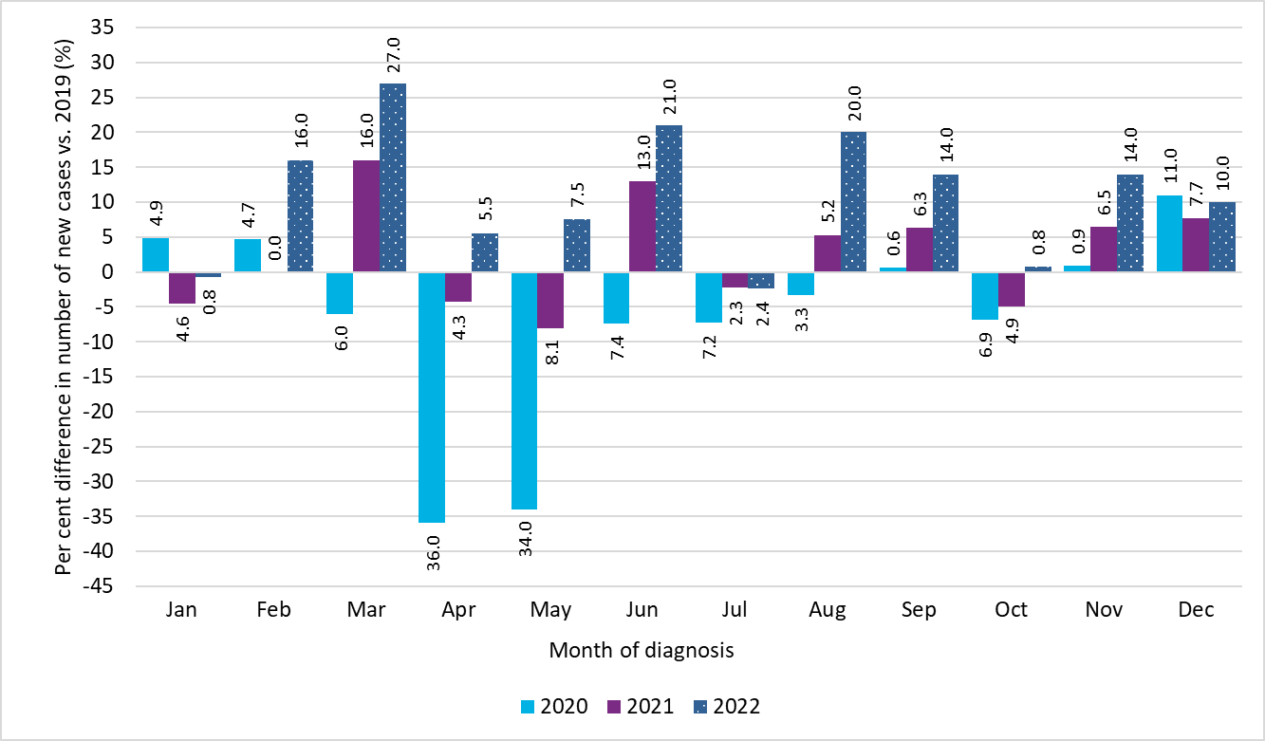
Year of diagnosis | Month of diagnosis | Per cent difference in new cases compared to 2019 (%)
2020 | Jan | 4.9
2020 | Feb | 4.7
2020 | Mar | -6.0
2020 | Apr | -36.0
2020 | May | -34.0
2020 | Jun | -7.4
2020 | Jul | -7.2
2020 | Aug | -3.3
2020 | Sep | 0.6
2020 | Oct | -6.9
2020 | Nov | 0.9
2020 | Dec | 11.0
2021 | Jan | -4.6
2021 | Feb | 0.0
2021 | Mar | 16.0
2021 | Apr | -4.3
2021 | May | -8.1
2021 | Jun | 13.0
2021 | Jul | -2.3
2021 | Aug | 5.2
2021 | Sep | 6.3
2021 | Oct | -4.9
2021 | Nov | 6.5
2021 | Dec | 7.7
2022 | Jan | -0.8
2022 | Feb | 16.0
2022 | Mar | 27.0
2022 | Apr | 5.5
2022 | May | 7.5
2022 | Jun | 21.0
2022 | Jul | -2.4
2022 | Aug | 20.0
2022 | Sep | 14.0
2022 | Oct | 0.8
2022 | Nov | 14.0
2022 | Dec | 10.0
Notes:
• Incidence counts are based on the National Cancer lnstitute’s Surveillance, Epidemiology and End Results standards for counting multiple primary cancers, which were adopted by the Ontario Cancer Registry for cases diagnosed from 2010 onward.
• Data for diagnosis years 2021 and 2022 are provisional; they do not include the approximately 1.4% of cases among people that are identified as having cancer only at death because this information was not available in the Ontario Cancer Registry at the time of analysis. In addition, the data for diagnosis year 2022 include some cases that were still undergoing validation by the registry.
Analysis by: Surveillance, Ontario Health (Cancer Care Ontario)
Data source: Ontario Cancer Registry (September 2023), Ontario Health (Cancer Care Ontario)

Figure 1.4
Figure 1.4 Difference in annual incidence counts, Ontario, 2020 to 2022 versus 2019

Year of diagnosis | Difference in number of new cases vs. 2019
2020 | -5894
2021 | 1942
2022 | 9013
Total (2020-2022) | 5061
Notes:
• Annual incidence counts are compared to cases diagnosed in 2019, when there were 84,332 new cancer cases.
• Incidence counts are based on the National Cancer lnstitute’s Surveillance, Epidemiology and End Results standards for counting multiple primary cancers, which were adopted by the Ontario Cancer Registry for cases diagnosed from 2010 onward.
• Data for diagnosis years 2021 and 2022 are provisional; they do not include the approximately 1.4% of cases among people that are identified as having cancer only at death because this information was not available in the Ontario Cancer Registry at the time of analysis. In addition, the data for diagnosis year 2022 include some cases that were still undergoing validation by the registry.
Analysis by: Surveillance, Ontario Health (Cancer Care Ontario)
Data source: Ontario Cancer Registry (September 2023), Ontario Health (Cancer Care Ontario)
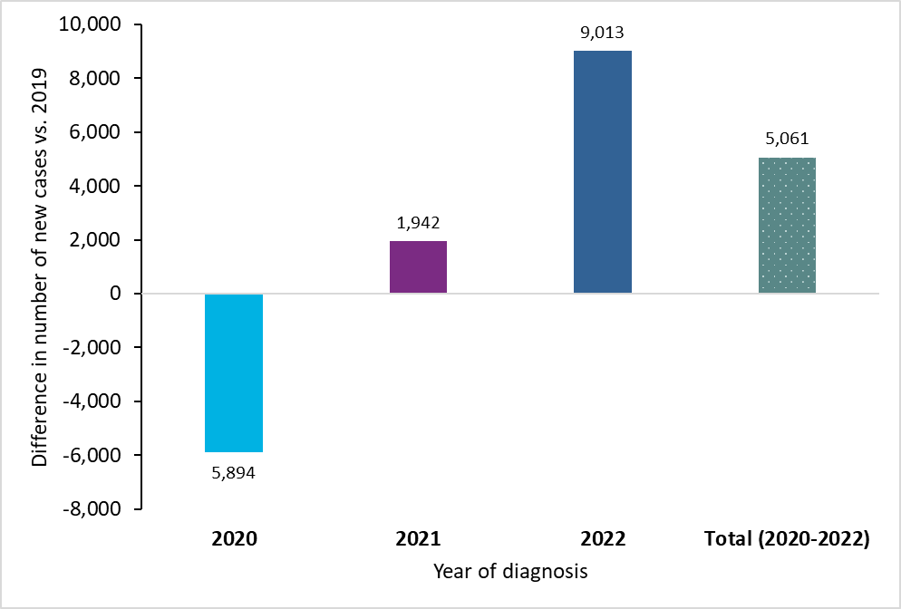

Figure 1.5
Figure 1.5 Percentage of new cases by stage at diagnosis and cancer type for selected cancers, Ontario, 2018 to 2020

Cancer Type | Year | Number of staged new cases | Per cent of staged new cases – Stage 1 | Per cent of staged new cases – Stage 2 | Per cent of staged new cases – Stage 3 | Per cent of staged new cases – Stage 4
Prostate | 2020 | 6,101 | 15.7 | 39.4 | 24.8 | 20.1
Prostate | 2019 | 7,072 | 15.4 | 39.7 | 26.2 | 18.6
Prostate | 2018 | 8,083 | 20.1 | 41.3 | 23.2 | 15.5
Lung | 2020 | 8,241 | 27.2 | 7.4 | 17.8 | 47.5
Lung | 2019 | 8,779 | 28.3 | 8.6 | 18.2 | 44.9
Lung | 2018 | 8,548 | 27.0 | 8.1 | 18.1 | 46.8
Colorectal | 2020 | 6,024 | 16.6 | 28.2 | 29.2 | 26.0
Colorectal | 2019 | 6,511 | 19.6 | 28.6 | 28.7 | 23.0
Colorectal | 2018 | 6,429 | 20.1 | 27.0 | 29.6 | 23.2
Cervix | 2020 | 502 | 55.8 | 24.7 | 8.8 | 10.8
Cervix | 2019 | 558 | 63.1 | 17.9 | 6.8 | 12.2
Cervix | 2018 | 516 | 61.1 | 23.5 | 7.4 | 8.1
Breast (female) | 2020 | 8,930 | 70.2 | 16.1 | 7.5 | 6.2
Breast (female) | 2019 | 10,274 | 72.7 | 14.7 | 7.1 | 5.5
Breast (female) | 2018 | 10,152 | 72.5 | 14.8 | 7.0 | 5.7
Notes:
• Cases with unknown stage or that were not staged by the OCR were excluded from this analysis. Over all years, case counts were as follows: prostate n = 21,256 (excludes unknown stage or not staged = 4,503); breast (female) n = 29,356 (excludes unknown stage or not staged = 4,669); colorectal n = 18,964 (excludes unknown stage or not staged = 5,549); lung n = 25,568 (excludes unknown stage or not staged = 4,747); cervix n = 1,576 (excludes unknown stage or not staged = 269).
• Breast (female) and prostate cancers had a significantly higher number of cases with unknown stage or that were not staged in 2020 than in 2019 and 2018. Lung cancer had more cases of unknown stage or that were not staged in 2020 than in 2019, but significantly fewer than in 2018. Cervical and colorectal cancers had similar numbers of cases with unknown stage or that were not staged from 2018 to 2020. See Appendix 1: Cancer stage at diagnosis for more information.
Analysis by: Surveillance, Ontario Health (Cancer Care Ontario)
Data source: Ontario Cancer Registry (September 2023), Ontario Health (Cancer Care Ontario)

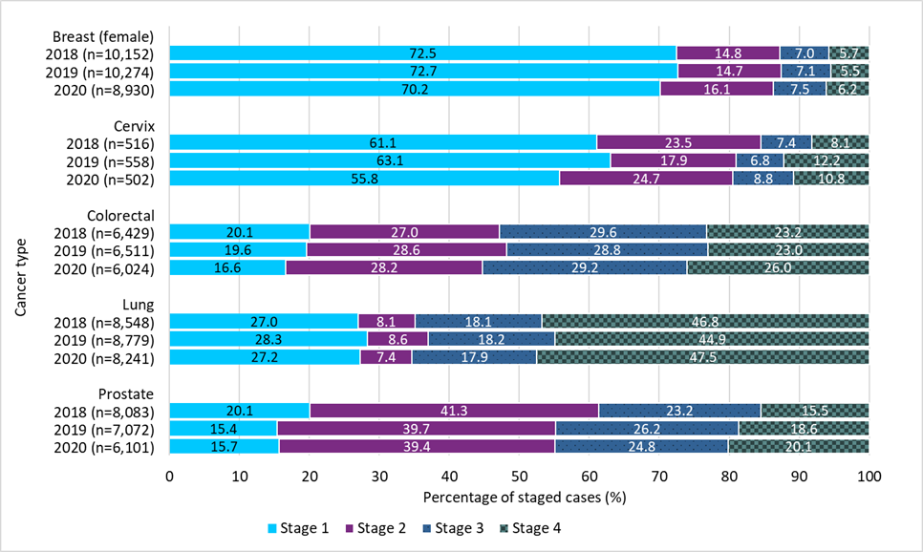

Figure 1.6
Figure 1.6 Age-standardized hospitalization rates from any cause among people with confirmed COVID-19 in the general and cancer populations, Ontario, 2020 to 2021

Population | Crude rate per 1,000 (95% CI) | Age-standardized rate per 1,000 (95% CI)
People with cancer (diagnosed 2015 to 2020) | 12.9 (12.3-13.5) | 6.8 (6.0-7.6)
General population (excluding people with cancer diagnosed 2015 to 2020) | 2.6 (2.6-2.6) | 3.3 (3.3-3.4)
Notes:
• Rates are per 1,000 person-days.
• Age-standardized rates are standardized to the age distribution of the 2011 Canadian Standard population.
• People with cancer include those diagnosed from 2015 to 2020. People with a confirmed COVID-19 case before their cancer diagnosis were included in the general population group.
• Incidence counts are based on the National Cancer lnstitute’s Surveillance, Epidemiology and End Results standards for counting multiple primary cancers, which were adopted by the Ontario Cancer Registry for cases diagnosed from 2010 onward.
• COVID-19 hospitalization data are from the Case and Contact Management Solution. Hospitalization includes all people with a reported hospital admission date and a positive COVID-19 test within 14 days before or three days after hospitalization. Emergency room visits are not included in the number of reported hospitalizations.
Analysis by: Surveillance, Ontario Health (Cancer Care Ontario)
Data sources: Ontario Cancer Registry (September 2023), Ontario Health (Cancer Care Ontario); Case and Contact Management Solution, Ministry of Health (March 2023)
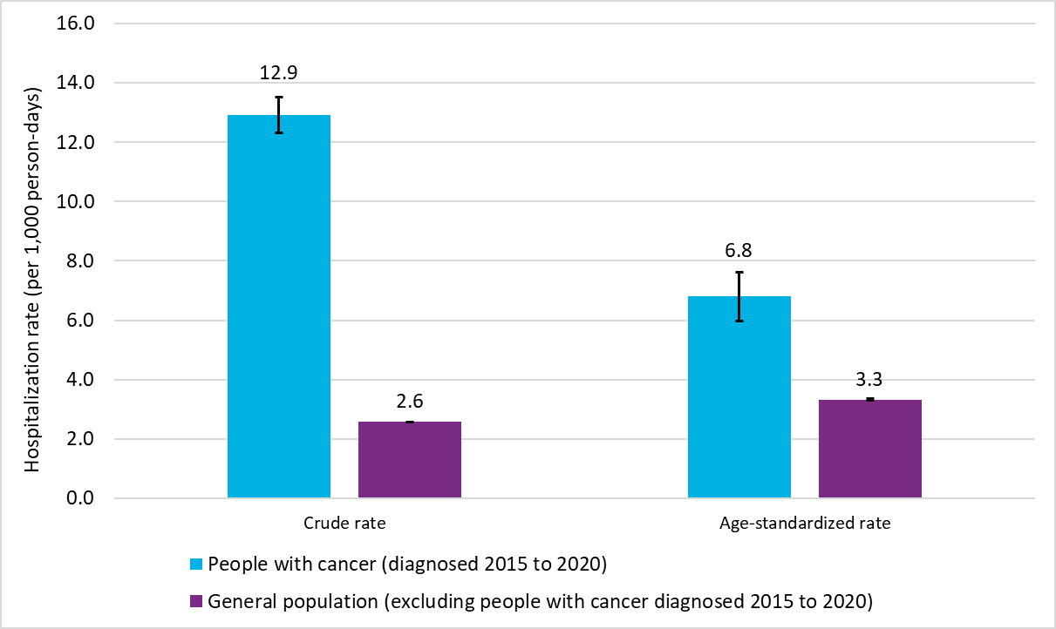

Figure 1.7
Figure 1.7 All-cause mortality counts among people with cancer by month, Ontario, 2019 to 2022

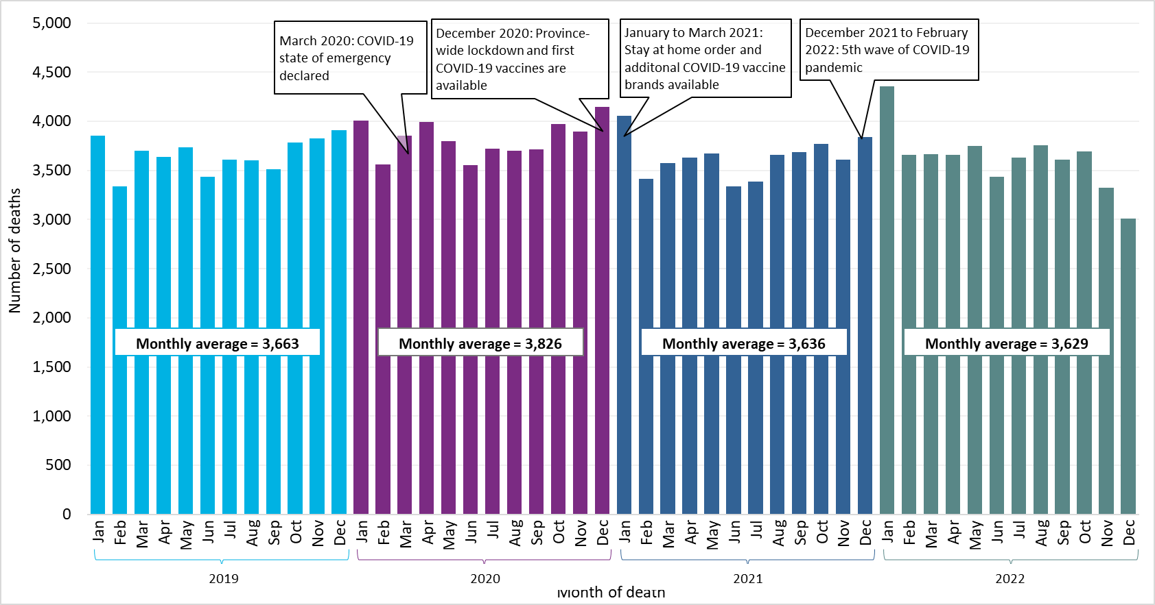
Year of death | Month of death | Number of deaths
2019 | Jan | 3857
2019 | Feb | 3338
2019 | Mar | 3701
2019 | Apr | 3636
2019 | May | 3736
2019 | Jun | 3438
2019 | Jul | 3613
2019 | Aug | 3606
2019 | Sep | 3510
2019 | Oct | 3784
2019 | Nov | 3828
2019 | Dec | 3906
2020 | Jan | 4008
2020 | Feb | 3561
2020 | Mar | 3856
2020 | Apr | 3995
2020 | May | 3801
2020 | Jun | 3556
2020 | Jul | 3719
2020 | Aug | 3699
2020 | Sep | 3715
2020 | Oct | 3969
2020 | Nov | 3892
2020 | Dec | 4144
2021 | Jan | 4055
2021 | Feb | 3413
2021 | Mar | 3573
2021 | Apr | 3630
2021 | May | 3675
2021 | Jun | 3338
2021 | Jul | 3384
2021 | Aug | 3657
2021 | Sep | 3683
2021 | Oct | 3768
2021 | Nov | 3607
2021 | Dec | 3843
2022 | Jan | 4353
2022 | Feb | 3658
2022 | Mar | 3662
2022 | Apr | 3655
2022 | May | 3749
2022 | Jun | 3433
2022 | Jul | 3629
2022 | Aug | 3759
2022 | Sep | 3613
2022 | Oct | 3694
2022 | Nov | 3327
2022 | Dec | 3012
Notes:
• Incidence counts are based on the National Cancer lnstitute’s Surveillance, Epidemiology and End Results standards for counting multiple primary cancers, which were adopted by the Ontario Cancer Registry for cases diagnosed from 2010 onward.
• Years with a blue shaded background indicate provisional cancer case counts and should therefore be interpreted with caution.
• Data for diagnosis years 2021 and 2022 are provisional; they do not include the approximately 1.4% of cases among people that are identified as having cancer only at death because this information was not available in the Ontario Cancer Registry at the time of analysis. In addition, the data for diagnosis year 2022 include some cases that were still undergoing validation by the registry.
Analysis by: Surveillance, Ontario Health (Cancer Care Ontario)
Data source: Ontario Cancer Registry (September 2023), Ontario Health (Cancer Care Ontario)

Figure 1.8
Figure 1.8 Per cent difference in all-cause mortality counts among people with cancer by month, Ontario, 2020 to 2022 versus 2019

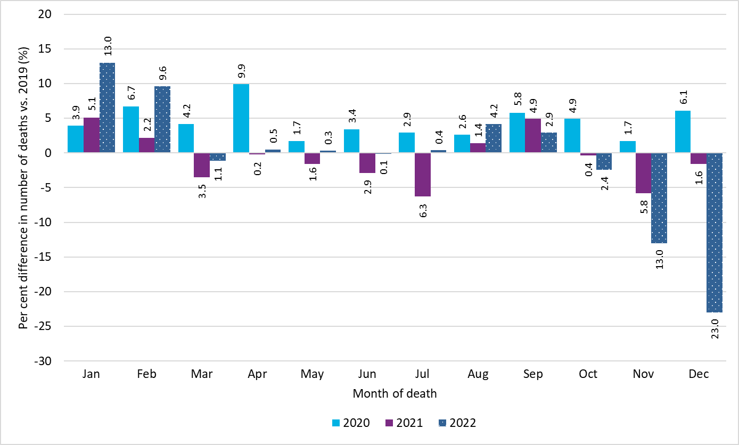
Year of death | Month of death | Per cent difference in number of deaths
2020 | Jan | 3.9
2020 | Feb | 6.7
2020 | Mar | 4.2
2020 | Apr | 9.9
2020 | May | 1.7
2020 | Jun | 3.4
2020 | Jul | 2.9
2020 | Aug | 2.6
2020 | Sep | 5.8
2020 | Oct | 4.9
2020 | Nov | 1.7
2020 | Dec | 6.1
2021 | Jan | 5.1
2021 | Feb | 2.2
2021 | Mar | -3.5
2021 | Apr | -0.2
2021 | May | -1.6
2021 | Jun | -2.9
2021 | Jul | -6.3
2021 | Aug | 1.4
2021 | Sep | 4.9
2021 | Oct | -0.4
2021 | Nov | -5.8
2021 | Dec | -1.6
2022 | Jan | 13.0
2022 | Feb | 9.6
2022 | Mar | -1.1
2022 | Apr | 0.5
2022 | May | 0.3
2022 | Jun | -0.1
2022 | Jul | 0.4
2022 | Aug | 4.2
2022 | Sep | 2.9
2022 | Oct | -2.4
2022 | Nov | -13.0
2022 | Dec | -23.0
Notes:
• Deaths from all causes among people with cancer diagnosed from 1981 to 2022.
• Data for 2021 and 2022 do not include deaths among the approximately 1.4% of people with new cases identified as having cancer only at the time of death (i.e., death certificate only cases).
Analysis by: Surveillance, Ontario Health (Cancer Care Ontario)
Data source: Ontario Cancer Registry (March 2023), Ontario Health (Cancer Care Ontario)

Figure 1.9
Figure 1.9 Excess deaths (from all causes) among people with cancer, Ontario, 2020–2021

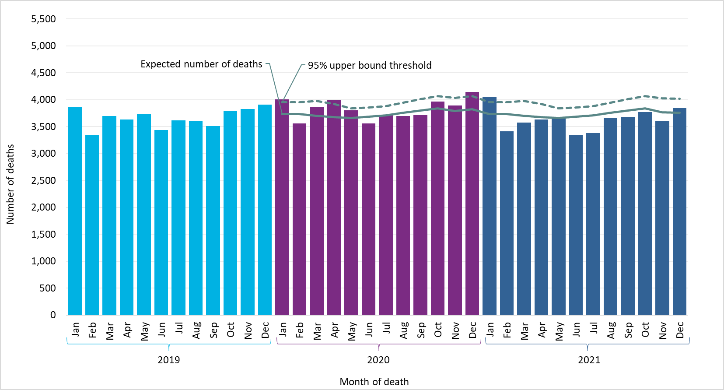
Year and month of death | Observed number of deaths | Upper 95% predicition interval of expected number of deaths | Expected number of deaths
Jan-19 | 3857
Feb-19 | 3338
Mar-19 | 3701
Apr-19 | 3636
May-19 | 3736
Jun-19 | 3438
Jul-19 | 3613
Aug-19 | 3606
Sep-19 | 3510
Oct-19 | 3784
Nov-19 | 3828
Dec-19 | 3906
Jan-20 | 4008 | 3956 | 3736
Feb-20 | 3561 | 3956 | 3735
Mar-20 | 3856 | 3977 | 3700
Apr-20 | 3995 | 3924 | 3680
May-20 | 3801 | 3837 | 3662
Jun-20 | 3556 | 3852 | 3685
Jul-20 | 3719 | 3877 | 3710
Aug-20 | 3699 | 3942 | 3759
Sep-20 | 3715 | 4010 | 3796
Oct-20 | 3969 | 4069 | 3843
Nov-20 | 3892 | 4036 | 3789
Dec-20 | 4144 | 4068 | 3820
Jan-21 | 4055 | 3956 | 3736
Feb-21 | 3413 | 3956 | 3735
Mar-21 | 3573 | 3977 | 3700
Apr-21 | 3630 | 3924 | 3680
May-21 | 3675 | 3837 | 3662
Jun-21 | 3338 | 3852 | 3685
Jul-21 | 3384 | 3877 | 3710
Aug-21 | 3657 | 3942 | 3759
Sep-21 | 3683 | 4010 | 3796
Oct-21 | 3768 | 4068 | 3840
Nov-21 | 3607 | 4027 | 3766
Dec-21 | 3843 | 4021 | 3758
Notes:
• Deaths for 2019 to 2021 includes people diagnosed with cancer from 1981 to 2021.
• Expected number of deaths was calculated using the Farrington algorithm (see Appendix 2: Analysis), based on all causes of death among the 2015 to 2019 cohort of people with cancer.
...

Figure 1.10
...
Population | Crude Rate | Age-standardized Rate
All cancers combined (2020) | 97.1 (95.4-98.8) | 55.3 (52.8-57.8)
All cancers combined (2017) | 95.3 (93.6-97.0) | 54.0 (51.7-56.3)
Notes:
• Premature death rates in 2017 were calculated for the cohort of people diagnosed with cancer in 2015 to 2017. Premature death rates in 2020 were calculated for the cohort of people diagnosed with cancer in 2018 to 2020.
• Rates are per 1,000.
• Age-standardized rates are standardized to the age distribution of the 2011 Canadian Standard population.
• Error bars represent 95% confidence intervals.
Analysis by: Surveillance, Ontario Health (Cancer Care Ontario)
Data source: Ontario Cancer Registry (March 2023), Ontario Health (Cancer Care Ontario)

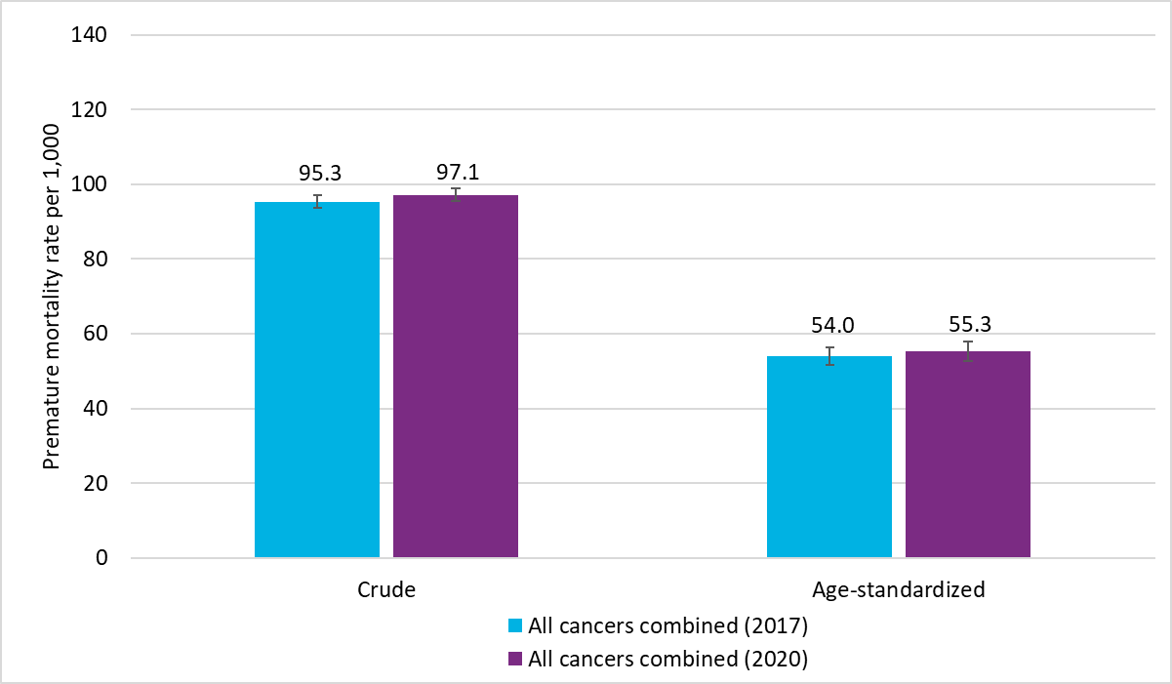

Figure 1.11
...
Population | Crude | Age-standardized
All cancers combined and COVID-19 positive (2020) | 104.2 (85.8-125.4) | 53.5 (33.8-73.1)
All cancers combined and COVID-19 negative/not-tested (2020) | 97.0 (95.3-98.8) | 55.4 (52.8-57.9)
Notes:
• Premature death rates in 2020 were calculated for the cohort of people diagnosed with cancer in 2018 to 2020.
• Rates are per 1,000.
• Age-standardized rates are standardized to the age distribution of the 2011 Canadian Standard population.
• Error bars represent 95% confidence intervals.
Analysis by: Surveillance, Ontario Health (Cancer Care Ontario)
Data sources: Ontario Cancer Registry (March 2023), Ontario Health (Cancer Care Ontario); Case and Contact Management Solution (Ministry of Health)

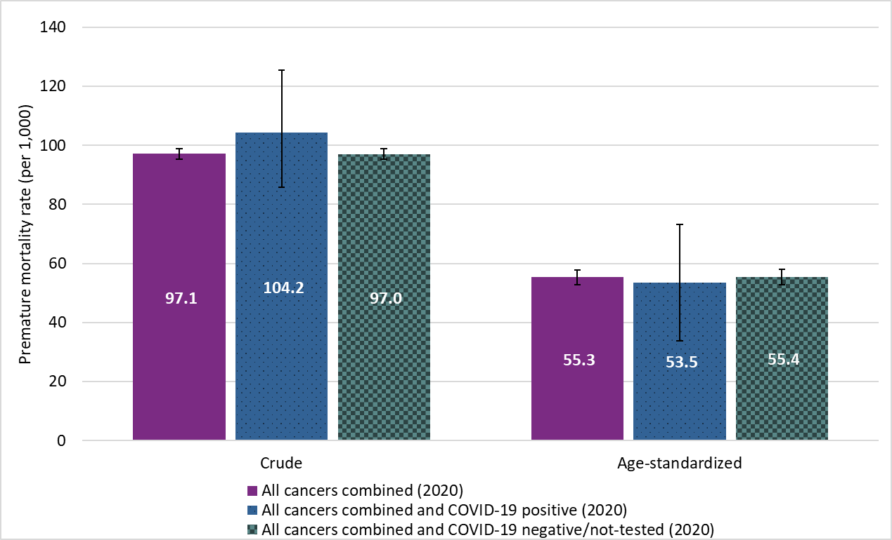

Figure 1.12
Figure 1.12 Age-standardized one-year relative survival ratios by selected cancer types, Ontario, 2018 to 2021

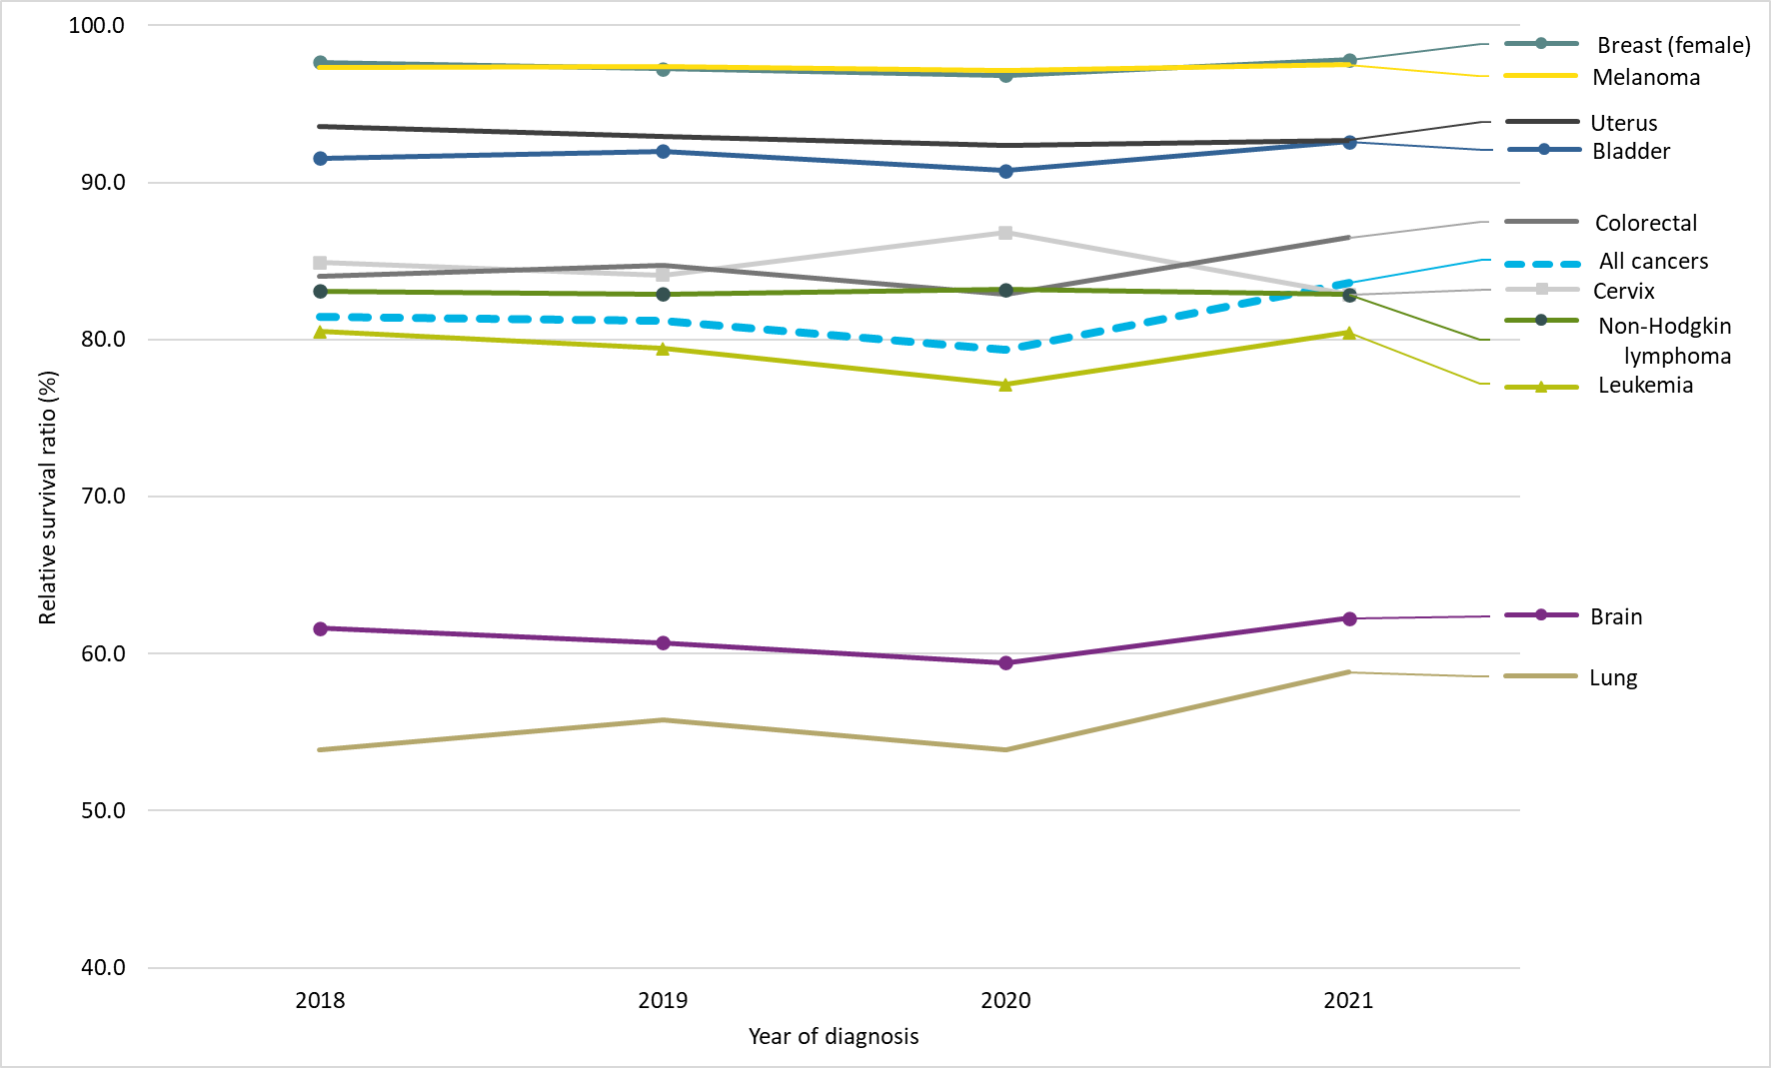
Cancer type | Year of diagnosis | Relative survival ratio (%)
All cancers | 2018 | 81.5
All cancers | 2019 | 81.2
All cancers | 2020 | 79.3
All cancers | 2021 | 83.6
Bladder | 2018 | 91.5
Bladder | 2019 | 92.0
Bladder | 2020 | 90.7
Bladder | 2021 | 92.6
Brain | 2018 | 61.6
Brain | 2019 | 60.7
Brain | 2020 | 59.4
Brain | 2021 | 62.3
Breast (female) | 2018 | 97.7
Breast (female) | 2019 | 97.3
Breast (female) | 2020 | 96.8
Breast (female) | 2021 | 97.8
Cervix | 2018 | 84.9
Cervix | 2019 | 84.1
Cervix | 2020 | 86.8
Cervix | 2021 | 82.9
Colorectal | 2018 | 84.0
Colorectal | 2019 | 84.7
Colorectal | 2020 | 82.9
Colorectal | 2021 | 86.5
Leukemia | 2018 | 80.5
Leukemia | 2019 | 79.4
Leukemia | 2020 | 77.1
Leukemia | 2021 | 80.4
Lung | 2018 | 53.9
Lung | 2019 | 55.8
Lung | 2020 | 53.9
Lung | 2021 | 58.8
Melanoma | 2018 | 97.3
Melanoma | 2019 | 97.4
Melanoma | 2020 | 97.1
...

Figure 1.13
Figure 1.13 Age-standardized two-year relative survival ratios by selected cancer types, Ontario, 2018 to 2020

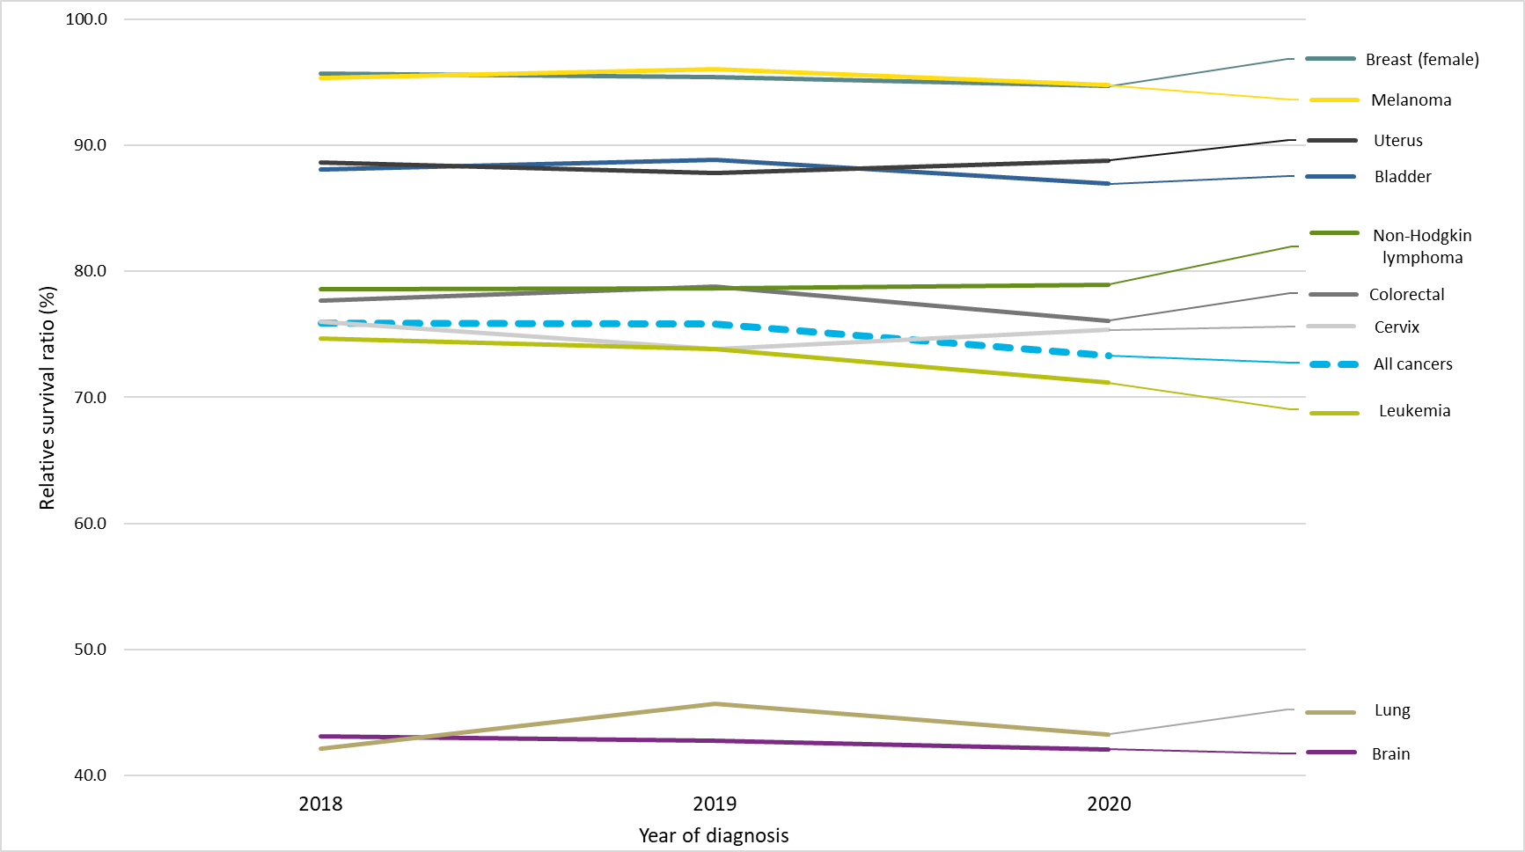
Cancer type | Year of diagnosis | Relative survival ratio (%)
All cancers | 2018 | 75.9
All cancers | 2019 | 75.8
All cancers | 2020 | 73.3
Bladder | 2018 | 88.0
Bladder | 2019 | 88.9
Bladder | 2020 | 86.9
Brain | 2018 | 43.1
Brain | 2019 | 42.7
Brain | 2020 | 42.1
Breast (female) | 2018 | 95.7
Breast (female) | 2019 | 95.4
Breast (female) | 2020 | 94.7
Cervix | 2018 | 76.0
Cervix | 2019 | 73.9
Cervix | 2020 | 75.3
Colorectal | 2018 | 77.7
Colorectal | 2019 | 78.8
Colorectal | 2020 | 76.1
Leukemia | 2018 | 74.7
Leukemia | 2019 | 73.8
Leukemia | 2020 | 71.2
Lung | 2018 | 42.2
Lung | 2019 | 45.7
Lung | 2020 | 43.3
Melanoma | 2018 | 95.3
Melanoma | 2019 | 96.0
Melanoma | 2020 | 94.8
Non-Hodgkin lymphoma | 2018 | 78.6
Non-Hodgkin lymphoma | 2019 | 78.7
Non-Hodgkin lymphoma | 2020 | 79.0
Uterus | 2018 | 88.7
Uterus | 2019 | 87.8
Uterus | 2020 | 88.8
...

Figure 2.1
Figure 2.1 Incidence counts and age-standardized rates for all cancers combined, Ontario, 1986 to 2024

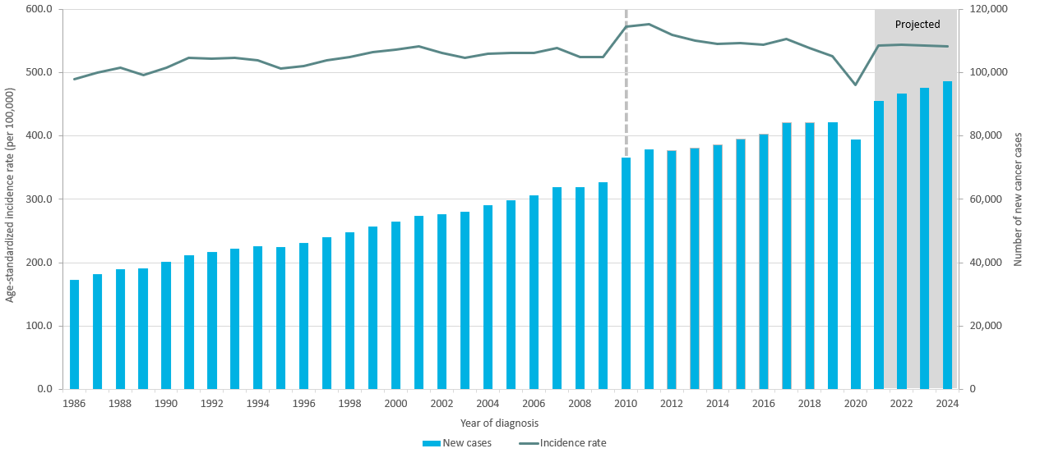
Year of diagnosis | New cases | Incidence rate
1986 | 34,660 | 489.9
1987 | 36,468 | 500.4
1988 | 38,053 | 508.1
1989 | 38,269 | 496.4
1990 | 40,264 | 507.9
1991 | 42,461 | 523.7
1992 | 43,416 | 522.0
1993 | 44,442 | 523.3
1994 | 45,167 | 519.3
1995 | 45,015 | 507.1
1996 | 46,384 | 511.0
1997 | 48,094 | 519.0
1998 | 49,750 | 524.8
1999 | 51,480 | 532.0
2000 | 53,093 | 536.4
2001 | 54,755 | 541.1
2002 | 55,412 | 531.6
2003 | 56,013 | 523.8
2004 | 58,226 | 529.9
2005 | 59,697 | 530.8
2006 | 61,251 | 530.7
2007 | 63,780 | 539.1
2008 | 63,860 | 525.3
2009 | 65,485 | 525.1
2010 | 73,296 | 572.9
2011 | 75,717 | 577.2
2012 | 75,314 | 559.5
2013 | 76,102 | 550.6
2014 | 77,112 | 545.0
2015 | 79,138 | 547.2
2016 | 80,636 | 544.1
2017 | 84,204 | 553.0
2018 | 84,244 | 539.4
2019 | 84,305 | 526.1
2020 | 78,772 | 480.7
2021 | 90,979 | 543.1
...

Figure 2.2
Figure 2.2 Incidence counts and age-standardized rates by binary sex for all cancers combined, Ontario, 1986 to 2024

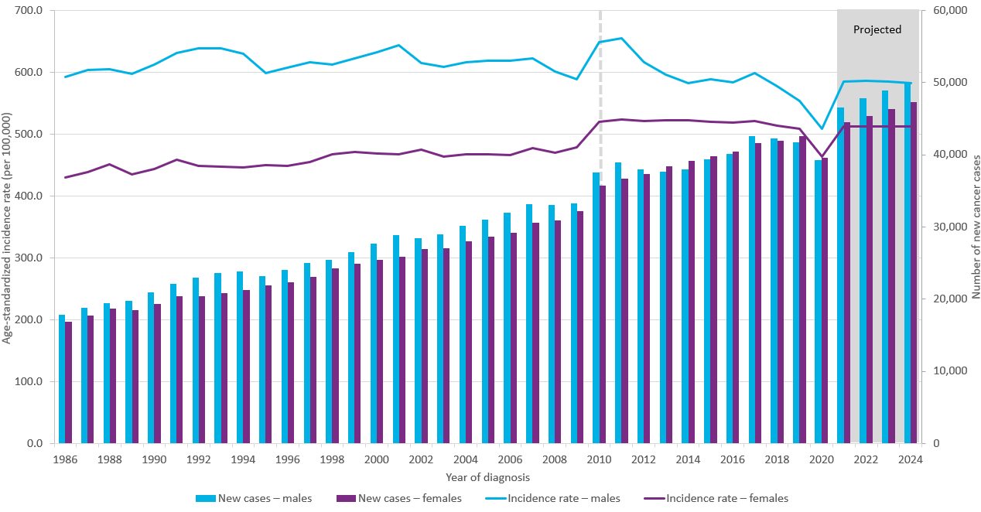
Year of diagnosis | New cases – males | Incidence rate – males | New cases – females | Incidence rate – females
1986 | 17,811 | 592.5 | 16,849 | 430.2
1987 | 18,793 | 604.1 | 17,675 | 438.6
1988 | 19,393 | 604.8 | 18,660 | 451.7
1989 | 19,780 | 597.0 | 18,489 | 434.6
1990 | 20,907 | 612.4 | 19,357 | 443.8
1991 | 22,076 | 630.8 | 20,385 | 458.3
1992 | 22,964 | 638.6 | 20,452 | 449.1
1993 | 23,582 | 639.0 | 20,860 | 447.4
1994 | 23,882 | 629.6 | 21,285 | 445.7
1995 | 23,155 | 599.2 | 21,860 | 449.9
1996 | 24,081 | 607.0 | 22,303 | 448.2
1997 | 25,031 | 615.9 | 23,063 | 454.6
1998 | 25,491 | 612.7 | 24,259 | 468.0
1999 | 26,524 | 622.1 | 24,956 | 471.4
2000 | 27,691 | 633.0 | 25,402 | 469.3
2001 | 28,918 | 644.3 | 25,837 | 467.4
2002 | 28,487 | 615.4 | 26,925 | 474.5
2003 | 28,978 | 609.1 | 27,035 | 463.7
2004 | 30,201 | 616.2 | 28,025 | 468.0
2005 | 31,046 | 618.8 | 28,651 | 467.6
2006 | 32,016 | 618.5 | 29,235 | 466.1
2007 | 33,171 | 622.8 | 30,609 | 477.6
2008 | 33,001 | 601.8 | 30,859 | 469.9
2009 | 33,315 | 588.9 | 32,170 | 478.8
2010 | 37,556 | 648.2 | 35,740 | 519.7
2011 | 38,979 | 654.5 | 36,738 | 523.3
2012 | 37,931 | 616.4 | 37,383 | 520.7
2013 | 37,711 | 596.0 | 38,391 | 521.9
2014 | 37,968 | 583.0 | 39,144 | 522.0
2015 | 39,380 | 589.0 | 39,758 | 520.3
2016 | 40,159 | 583.3 | 40,477 | 518.7
2017 | 42,546 | 599.3 | 41,658 | 520.7
2018 | 42,306 | 577.5 | 41,938 | 513.7
2019 | 41,713 | 554.3 | 42,592 | 509.1
2020 | 39,236 | 508.4 | 39,536 | 463.4
2021 | 46,453 | 585.1 | 44,526 | 513.0
2022 | 47,770 | 586.4 | 45,403 | 512.5
2023 | 48,867 | 584.6 | 46,341 | 512.4
2024 | 49,923 | 582.9 | 47,270 | 512.3
...

Figure 2.3
Figure 2.3 Incidence due to changes in cancer risk, population growth and aging, Ontario, 1986 to 2019

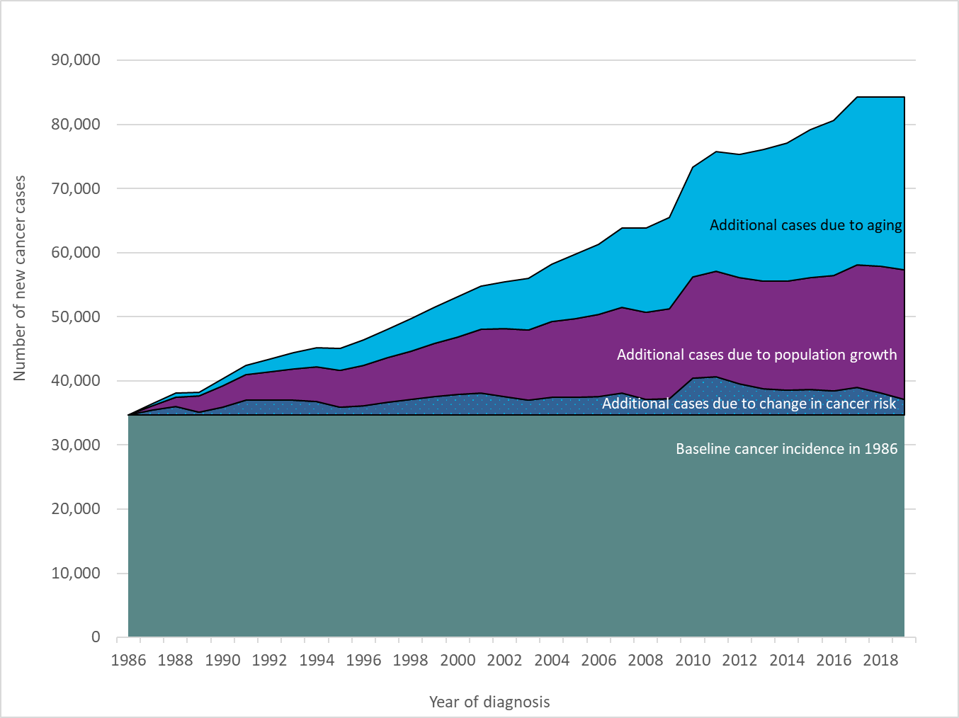
Year of diagnosis | Additional cases due to aging | Additional cases due to population growth | Additional cases due to change in cancer risk | Baseline cancer incidence in 1986
1986 | 0 | 0 | 0 | 34,660
1987 | 313 | 753 | 742 | 34,660
1988 | 561 | 1,529 | 1,303 | 34,660
1989 | 662 | 2,479 | 468 | 34,660
1990 | 1,071 | 3,268 | 1,265 | 34,660
1991 | 1,537 | 3,899 | 2,365 | 34,660
1992 | 2,005 | 4,445 | 2,306 | 34,660
1993 | 2,548 | 4,910 | 2,324 | 34,660
1994 | 3,002 | 5,385 | 2,120 | 34,660
1995 | 3,384 | 5,751 | 1,220 | 34,660
1996 | 3,923 | 6,304 | 1,497 | 34,660
1997 | 4,450 | 6,959 | 2,025 | 34,660
1998 | 5,098 | 7,576 | 2,416 | 34,660
1999 | 5,640 | 8,238 | 2,942 | 34,660
2000 | 6,244 | 9,006 | 3,183 | 34,660
2001 | 6,747 | 9,927 | 3,421 | 34,660
2002 | 7,233 | 10,584 | 2,935 | 34,660
2003 | 8,028 | 11,003 | 2,322 | 34,660
2004 | 9,007 | 11,734 | 2,825 | 34,660
2005 | 9,954 | 12,273 | 2,810 | 34,660
2006 | 10,838 | 12,838 | 2,915 | 34,660
2007 | 12,269 | 13,427 | 3,424 | 34,660
2008 | 13,188 | 13,554 | 2,458 | 34,660
2009 | 14,273 | 14,030 | 2,522 | 34,660
2010 | 17,099 | 15,823 | 5,714 | 34,660
2011 | 18,578 | 16,477 | 6,002 | 34,660
2012 | 19,244 | 16,554 | 4,856 | 34,660
2013 | 20,528 | 16,755 | 4,159 | 34,660
2014 | 21,550 | 17,056 | 3,846 | 34,660
2015 | 23,067 | 17,466 | 3,945 | 34,660
2016 | 24,192 | 18,054 | 3,730 | 34,660
2017 | 26,119 | 19,125 | 4,300 | 34,660
2018 | 26,427 | 19,683 | 3,474 | 34,660
...

Figure 2.4
Figure 2.4 Percentage of new cases by cancer type and binary sex, Ontario, 2020

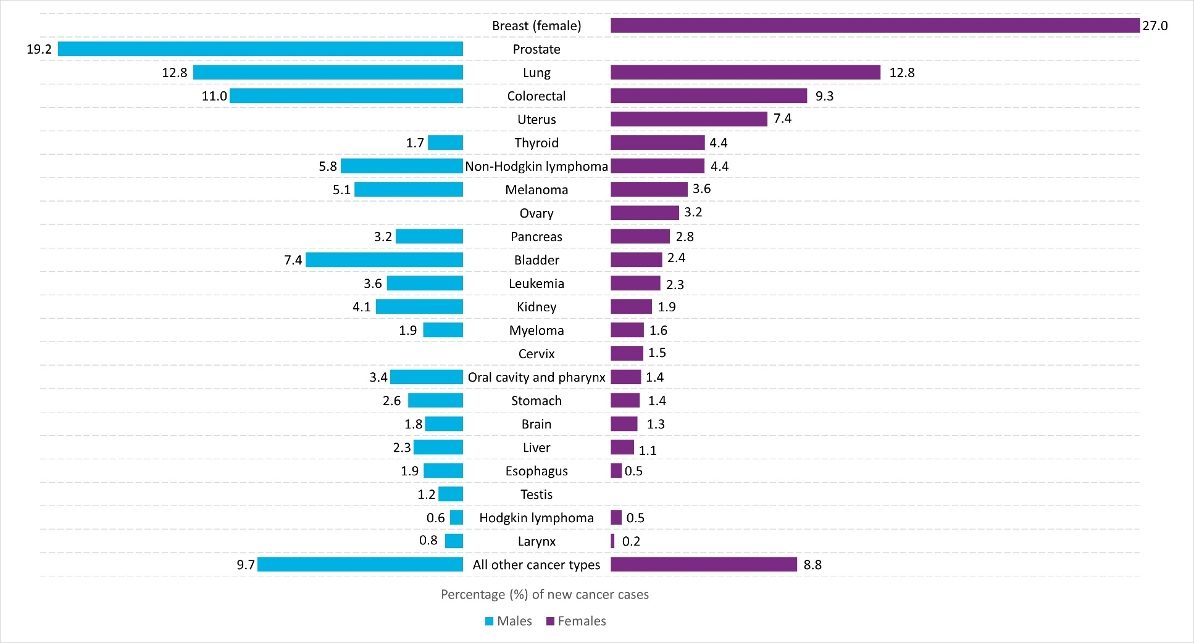
Cancer type | Males (%) | Females (%)
All other cancer types | 9.7 | 8.8
Larynx | 0.8 | 0.2
Hodgkin lymphoma | 0.6 | 0.5
Testis | 1.2 | n/a
Esophagus | 1.9 | 0.5
Liver | 2.3 | 1.1
Brain | 1.8 | 1.3
Stomach | 2.6 | 1.4
Oral cavity and pharynx | 3.4 | 1.4
Cervix | n/a | 1.5
Myeloma | 1.9 | 1.6
Kidney | 4.1 | 1.9
Leukemia | 3.6 | 2.3
Bladder | 7.4 | 2.4
Pancreas | 3.2 | 2.8
Ovary | n/a | 3.2
Melanoma | 5.1 | 3.6
Non-Hodgkin lymphoma | 5.8 | 4.4
Thyroid | 1.7 | 4.4
Uterus | n/a | 7.4
Colorectal | 11.0 | 9.3
Lung | 12.8 | 12.8
Prostate | 19.2 | n/a
Breast (female) | n/a | 27.0
Note:
· Incidence counts are based on International Agency for Research on Cancer/International Association of Cancer Registries multiple primary rules.
Analysis by: Surveillance, Ontario Health (Cancer Care Ontario)
Data source: Ontario Cancer Registry (December 2022), Ontario Health (Cancer Care Ontario)

Figure 2.5A 2.5B
...
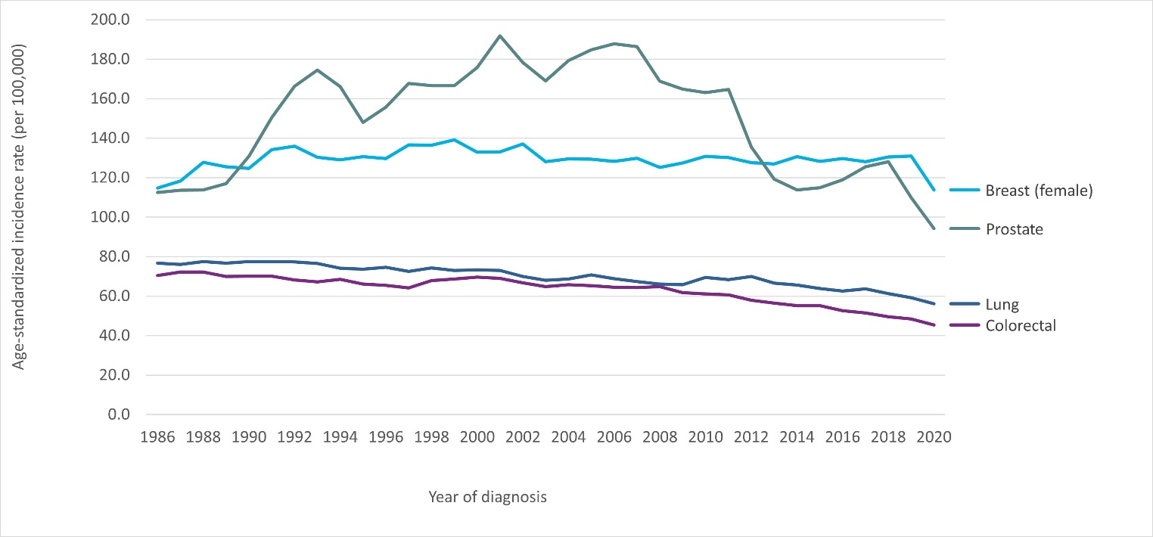
Kidney | Oral Cavity and Pharynx | Testis | Larynx | Leukemia
9.6 | 13.7 | 4.4 | 5.6 | 16.5
10.5 | 14.0 | 4.4 | 5.3 | 16.8
11.0 | 14.0 | 3.9 | 5.1 | 16.5
11.4 | 13.3 | 4.7 | 5.3 | 16.0
11.5 | 13.9 | 4.8 | 4.8 | 16.5
11.9 | 13.8 | 4.1 | 5.7 | 17.1
10.9 | 12.8 | 3.9 | 5.3 | 15.7
11.6 | 12.0 | 5.0 | 4.8 | 16.0
11.2 | 12.4 | 5.3 | 4.9 | 15.1
11.0 | 11.5 | 4.2 | 4.5 | 15.9
11.3 | 12.3 | 4.7 | 4.2 | 16.7
11.0 | 10.7 | 4.8 | 4.5 | 15.4
11.7 | 10.5 | 4.5 | 4.2 | 15.5
11.5 | 10.8 | 5.0 | 3.9 | 16.1
12.2 | 11.5 | 5.3 | 3.9 | 15.5
11.9 | 11.4 | 5.3 | 3.8 | 15.3
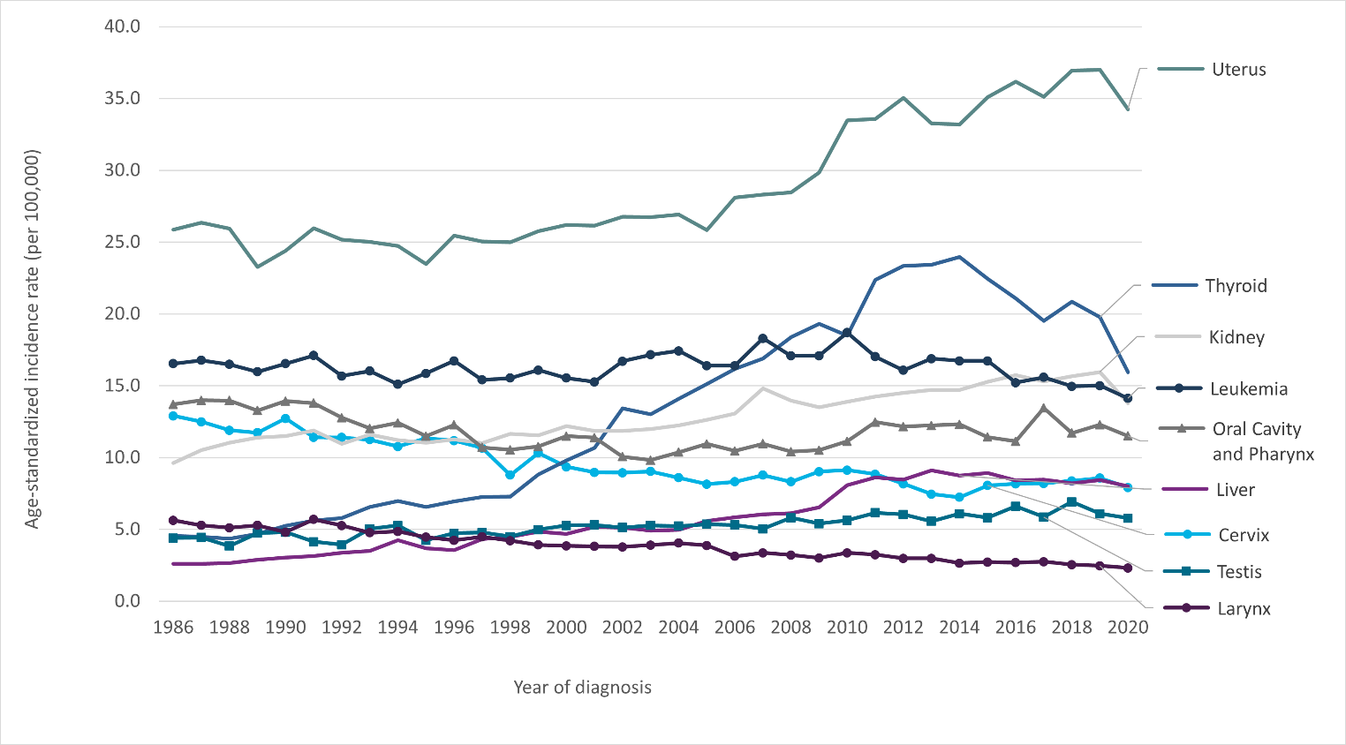
11.9 | 10.1 | 5.1 | 3.8 | 16.7
12.0 | 9.8 | 5.3 | 3.9 | 17.2
12.2 | 10.4 | 5.2 | 4.0 | 17.4
12.6 | 11.0 | 5.4 | 3.9 | 16.4
13.1 | 10.5 | 5.3 | 3.1 | 16.4
14.8 | 11.0 | 5.0 | 3.4 | 18.3
14.0 | 10.4 | 5.8 | 3.2 | 17.1
13.5 | 10.5 | 5.4 | 3.0 | 17.1
13.9 | 11.1 | 5.6 | 3.4 | 18.7
14.2 | 12.5 | 6.2 | 3.2 | 17.0
14.5 | 12.2 | 6.0 | 3.0 | 16.1
14.7 | 12.2 | 5.6 | 3.0 | 16.9
14.7 | 12.3 | 6.1 | 2.7 | 16.7
15.3 | 11.4 | 5.8 | 2.7 | 16.7
15.7 | 11.1 | 6.6 | 2.7 | 15.2
15.3 | 13.5 | 5.9 | 2.8 | 15.6
15.7 | 11.7 | 6.9 | 2.5 | 15.0
15.9 | 12.3 | 6.1 | 2.5 | 15.0
13.8 | 11.5 | 5.8 | 2.3 | 14.1
...

Figure 2.6
...
Cancer type | Male | Female
Liver | 3.5 | 3.5
Thyroid | 5.2 | 4.6
Symbol: *Statistically significant trend
Notes:
· Rates are standardized to the age distribution of the 2011 Canadian Standard population.
· The bladder cancer trend begins in 1989 due to classification changes; the average annual per cent change is for 1989 to 2019.
· Average annual per cent change was calculated for trends that were based on counts using the International Agency for Research on Cancer/International Association of Cancer Registries multiple primary rules.
Analysis by: Surveillance, Ontario Health (Cancer Care Ontario)
Data source: Ontario Cancer Registry (December 2022), Ontario Health (Cancer Care Ontario)

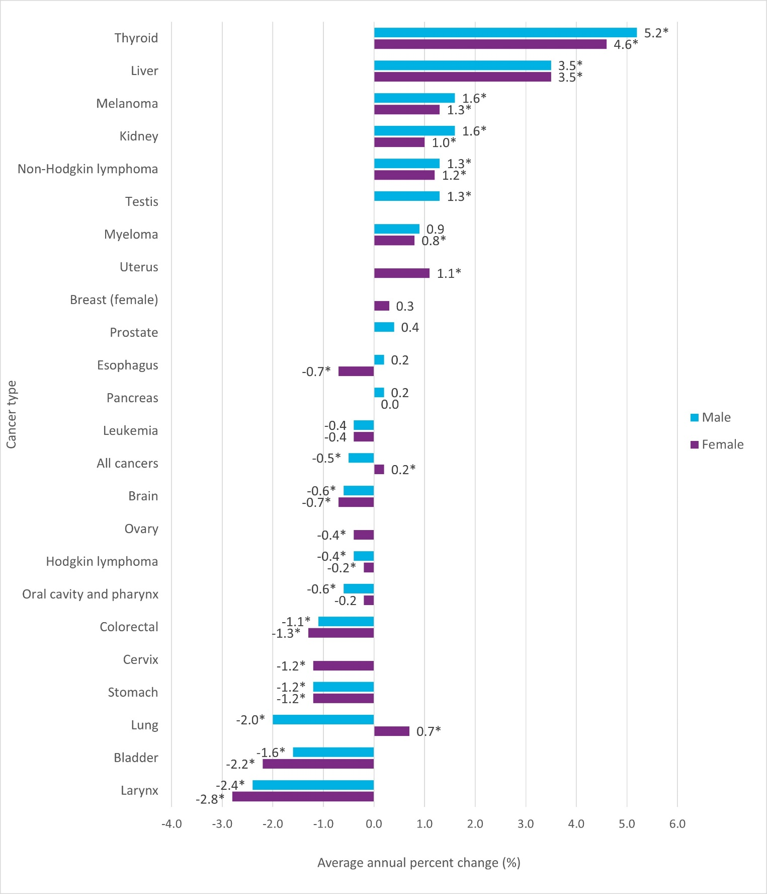

Figure 2.S1
Spotlight: Childhood Cancer Incidence Trend
Figure 2.S1 Age-standardized incidence rates of cancer in children, all cancers combined, ages zero to 14 years, Ontario, 1988 to 2022

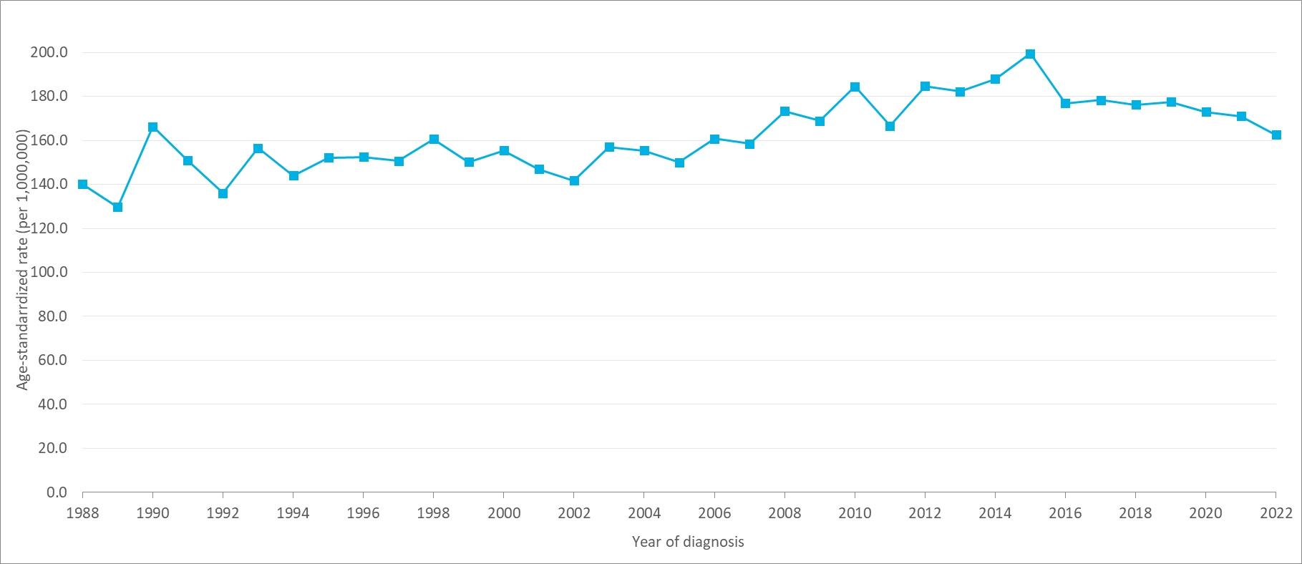
Year of diagnosis | Number of cases | ASIR | ASIR 95% CI
1988 | 279 | 140.2 | 124.2–157.6
1989 | 265 | 129.7 | 114.5–146.3
1990 | 347 | 166.2 | 149.2–184.7
1991 | 319 | 150.9 | 134.7–168.4
1992 | 293 | 136.0 | 120.8–152.5
1993 | 343 | 156.5 | 140.3–174
1994 | 319 | 144.1 | 128.7–160.8
1995 | 339 | 152.1 | 136.3–169.2
1996 | 344 | 152.5 | 136.8–169.5
1997 | 340 | 150.7 | 135.1–167.6
1998 | 362 | 160.6 | 144.4–178
1999 | 337 | 150.2 | 134.6–167.2
2000 | 351 | 155.5 | 139.6–172.7
2001 | 335 | 146.9 | 131.6–163.6
2002 | 320 | 141.7 | 126.5–158.2
2003 | 353 | 157.1 | 141–174.5
2004 | 345 | 155.5 | 139.4–172.9
2005 | 331 | 150.0 | 134.2–167.1
2006 | 355 | 160.7 | 144.4–178.4
2007 | 348 | 158.5 | 142.2–176.1 | Time period | APC (%)
2008 | 380 | 173.2 | 156.2–191.6 | 1988–2005 | 0.4
2009 | 370 | 169.0 | 152.2–187.1 | 2005–2015 | 2.1*
2010 | 404 | 184.5 | 166.9–203.4 | 2015–2022 | -2.2*
2011 | 365 | 166.6 | 149.9–184.6
2012 | 403 | 184.6 | 167–203.6
2013 | 397 | 182.3 | 164.8–201.1
2014 | 409 | 187.9 | 170.1–207
2015 | 433 | 199.5 | 181.2–219.3
2016 | 389 | 176.9 | 159.8–195.4
...

Figure 2.7
...
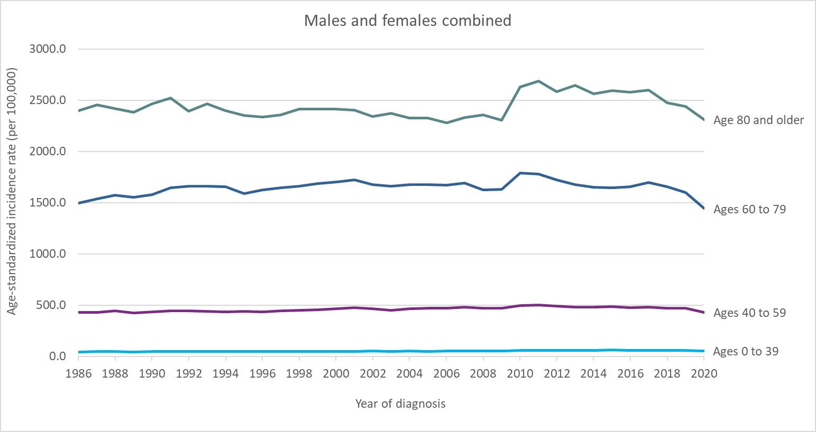
Ages 80 and older — ASIR | Age group | Period | APC
2,397.0 | Ages 0 to 39 | 1986–2001 | 0.4*
2,455.1 | Ages 0 to 39 | 2001–2015 | 1.5*
2,418.2 | Ages 0 to 39 | 2015–2019 | -1.7*
2,383.4 | Ages 40 to 59 | 1986–2007 | 0.5*
2,465.7 | Ages 40 to 59 | 2007–2019 | -0.6*
2,520.2 | Ages 40 to 59 | 1986–1992 | 1.5*
2,391.9 | Ages 60 to 79 | 1992–2007 | 0.2
2,462.5 | Ages 60 to 79 | 2007–2013 | -2.3*
2,399.9 | Ages 60 to 79 | 2013–2019 | -0.5
2,352.2 | Ages 80 and older | 1986–2015 | -0.2*
2,335.0 | Ages 80 and older | 2015–2019 | -1.4
2,357.4
2,414.0
2,412.6
2,415.6
2,404.6
2,343.4
2,373.9
2,328.3
2,325.2
2,279.1
2,332.4
2,358.6
2,304.5
2,629.9
...
2,647.4
2,561.5
2,593.7
2,576.3
2,597.2
2,475.6
2,441.7
2,310.6
...
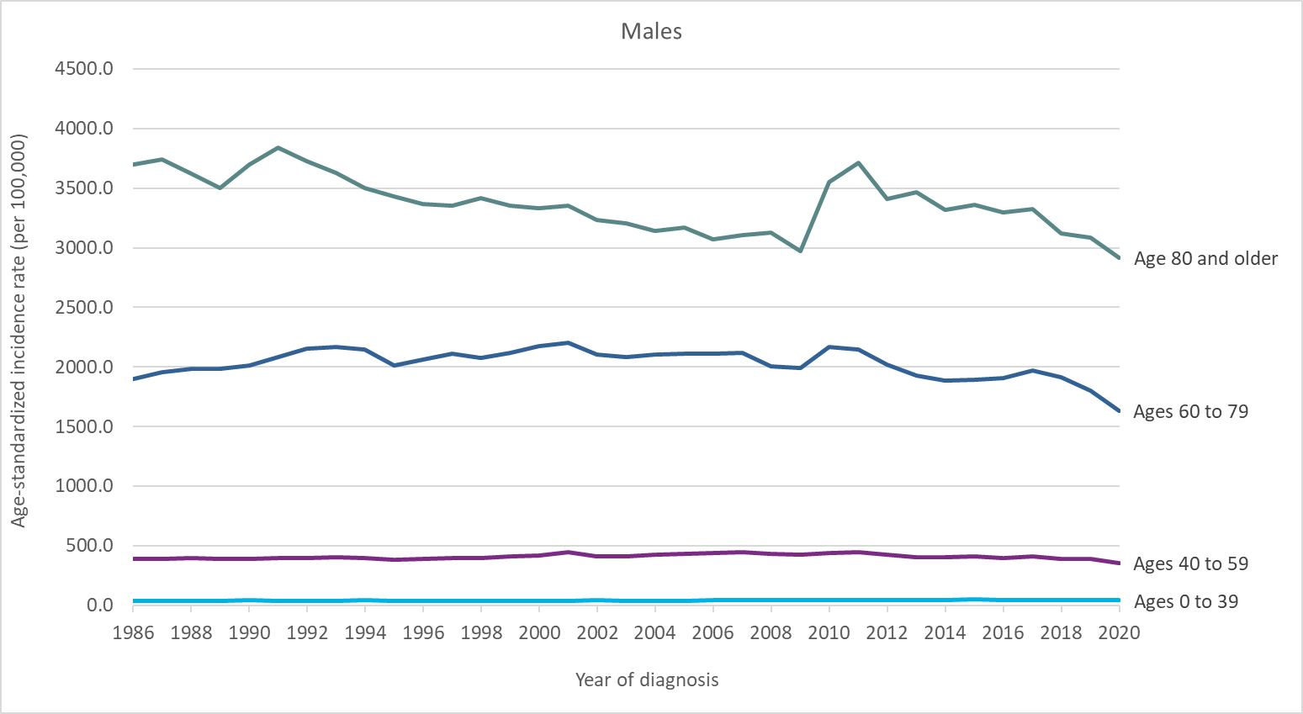
Ages 80 and older — ASIR | Age group | Period | APC
3,701.1 | Ages 0 to 39 | 1986–2019 | 0.1
3,740.9 | Ages 40 to 59 | 1986–2007 | 0.6*
3,623.3 | Ages 40 to 59 | 2007–2019 | -1.3*
3,499.9 | Ages 60 to 79 | 1986–1992 | 1.8*
3,700.3 | Ages 60 to 79 | 1992–2007 | 0.0
3,838.6 | Ages 60 to 79 | 2007–2013 | -3.9*
3,729.7 | Ages 60 to 79 | 2013–2019 | -0.6
3,625.6 | Ages 80 and older | 1986–2011 | -1.0*
3,503.9 | Ages 80 and older | 2011–2019 | -1.7*
3,427.6
3,369.7
3,352.6
3,419.8
3,354.8
3,331.8
3,351.4
3,231.2
3,205.1
2,968.9
3,552.8
3,716.1
3,466.2
3,319.9
3,361.2
3,322.6
3,123.5
3,086.8
2,916.4
...
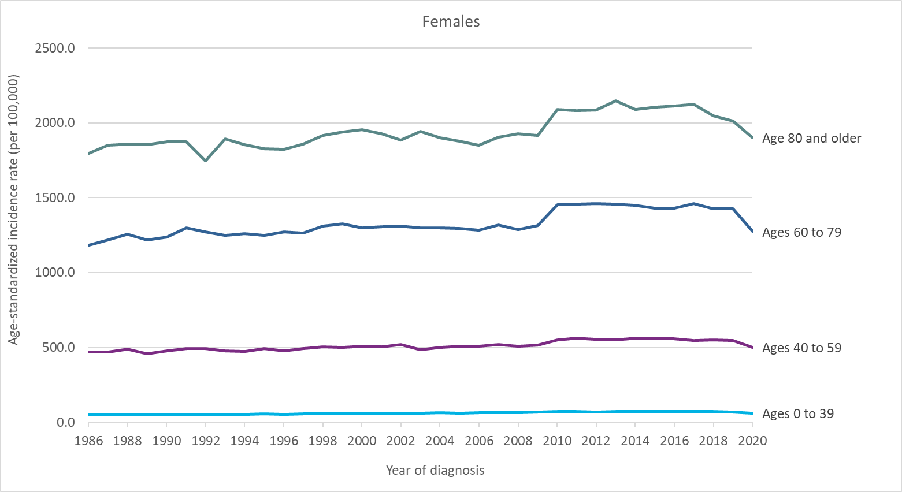
Ages 80 and older — ASIR | Age group | Period | APC
1,794.9 | Ages 0 to 39 | 1986–1992 | -0.7
1,849.7 | Ages 0 to 39 | 1992–2014 | 1.6*
1,857.9 | Ages 0 to 39 | 2014–2019 | -0.8
1,853.5 | Ages 40 to 59 | 1986–2015 | 0.4*
1,872.9 | Ages 40 to 59 | 2015–2019 | -0.8
1,875.2 | Ages 60 to 79 | 1986–1991 | 1.3
1,746.8 | Ages 60 to 79 | 1991–1995 | -0.6
1,893.5 | Ages 60 to 79 | 1995–1999 | 1.3
1,853.3 | Ages 60 to 79 | 1999–2019 | -0.2
1,827.2 | Ages 80 and older | 1986–2015 | 0.2*
1,825.0 | Ages 80 and older | 2015–2019 | -1.0
1,859.8
1,916.1
1,939.2
1,956.1
1,928.3
1,886.1
1,943.2
1,901.1
1,878.9
1,850.7
1,903.7
1,929.5
1,915.2
2,090.0
2,081.3
2,085.7
...

Figure 3.1
Figure 3.1 Mortality counts and age-standardized rates for all cancers combined, Ontario, 1986 to 2024

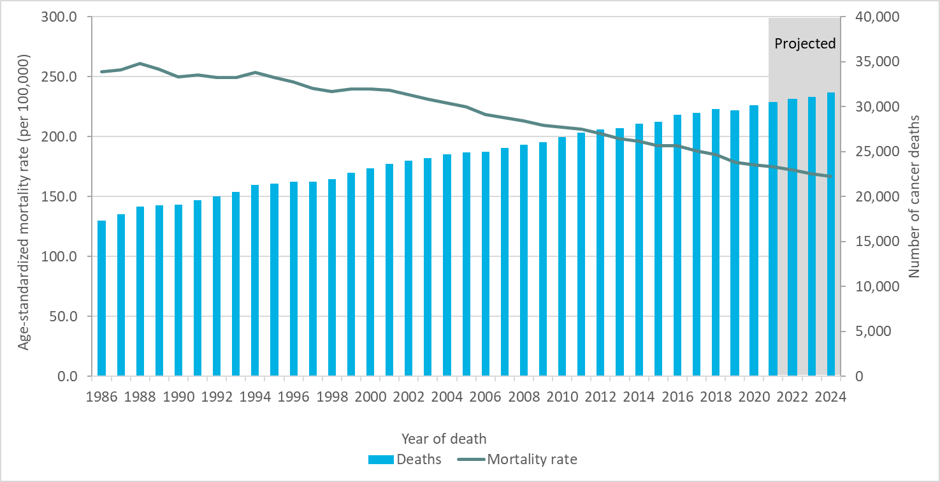
Year of death | Deaths | Mortality rate
1986 | 17,339 | 254.0
1987 | 18,007 | 255.8
1988 | 18,873 | 261.0
1989 | 19,026 | 256.3
1990 | 19,089 | 249.9
1991 | 19,616 | 251.2
1992 | 20,010 | 249.1
1993 | 20,547 | 249.4
1994 | 21,302 | 253.5
1995 | 21,427 | 249.3
1996 | 21,665 | 245.7
1997 | 21,666 | 240.4
1998 | 21,932 | 237.5
1999 | 22,655 | 240.0
2000 | 23,158 | 239.6
2001 | 23,664 | 238.9
2002 | 23,984 | 235.2
2003 | 24,275 | 231.4
2004 | 24,665 | 228.1
2005 | 24,930 | 224.6
2006 | 24,971 | 218.6
2007 | 25,370 | 215.8
2008 | 25,794 | 213.3
2009 | 26,076 | 209.6
2010 | 26,585 | 207.8
2011 | 27,127 | 206.2
2012 | 27,442 | 202.7
2013 | 27,634 | 198.2
2014 | 28,075 | 195.9
2015 | 28,291 | 192.6
2016 | 29,074 | 192.3
2017 | 29,335 | 188.1
2018 | 29,712 | 185.2
2019 | 29,546 | 178.6
2020 | 30,054 | 176.7
2021 | 30,461 | 175.1
...

Figure 3.2
Figure 3.2 Projected mortality counts and age-standardized rates by binary sex for all cancers combined, Ontario, 1986 to 2024

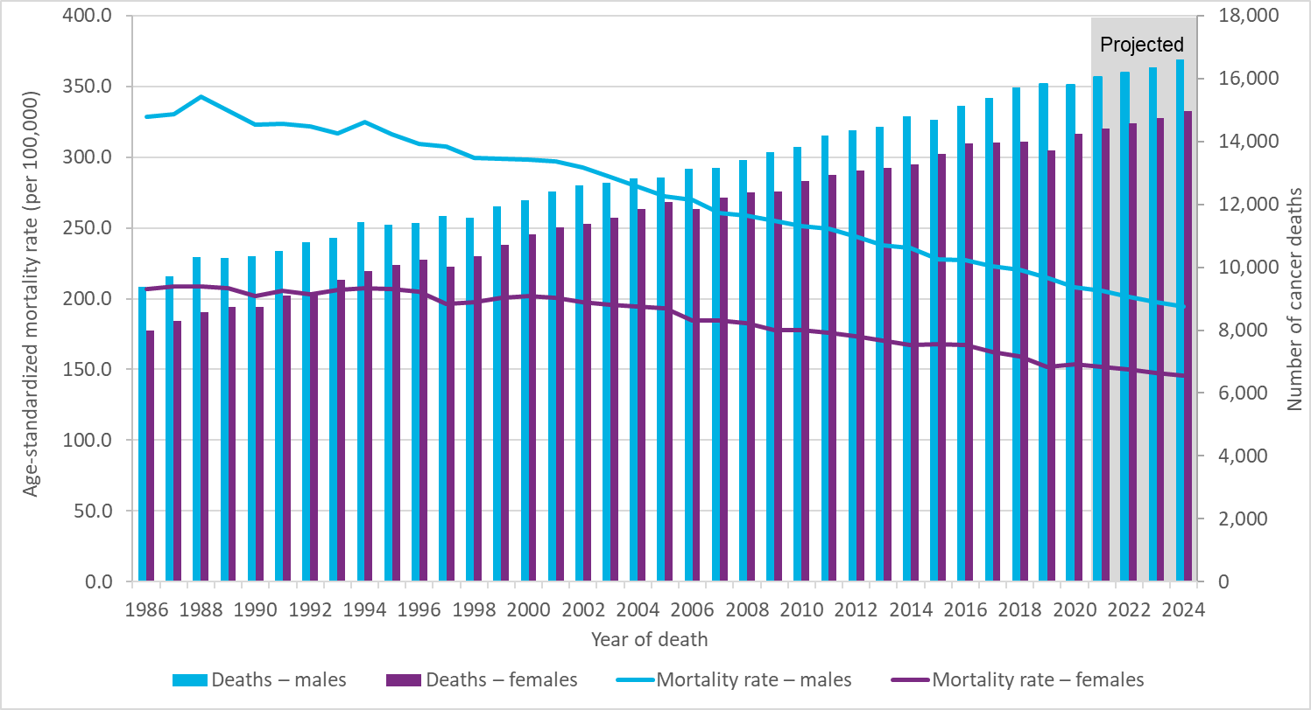
Year of death | Deaths – males | Mortality rate – males | Deaths – females | Mortality rate – females
1986 | 9,366 | 328.9 | 7,973 | 206.7
1987 | 9,704 | 330.3 | 8,303 | 208.8
1988 | 10,312 | 342.9 | 8,561 | 208.9
1989 | 10,287 | 332.8 | 8,739 | 207.7
1990 | 10,349 | 323.2 | 8,740 | 202.0
1991 | 10,510 | 323.7 | 9,106 | 205.4
1992 | 10,799 | 321.8 | 9,211 | 203.1
1993 | 10,934 | 317.1 | 9,613 | 206.0
1994 | 11,423 | 324.6 | 9,879 | 207.7
1995 | 11,359 | 315.9 | 10,068 | 206.6
1996 | 11,421 | 309.4 | 10,244 | 205.2
1997 | 11,636 | 307.7 | 10,030 | 196.5
1998 | 11,584 | 299.6 | 10,348 | 197.9
1999 | 11,938 | 298.9 | 10,717 | 200.9
2000 | 12,118 | 298.1 | 11,040 | 201.9
2001 | 12,402 | 297.1 | 11,262 | 200.6
2002 | 12,599 | 292.5 | 11,385 | 197.8
2003 | 12,700 | 285.8 | 11,575 | 196.0
2004 | 12,816 | 279.3 | 11,849 | 194.7
2005 | 12,842 | 272.2 | 12,088 | 193.2
2006 | 13,124 | 269.9 | 11,847 | 184.5
2007 | 13,169 | 260.9 | 12,201 | 184.3
2008 | 13,409 | 258.8 | 12,385 | 182.7
2009 | 13,667 | 255.3 | 12,409 | 177.9
2010 | 13,839 | 251.1 | 12,746 | 178.0
2011 | 14,188 | 249.5 | 12,939 | 176.0
2012 | 14,360 | 243.9 | 13,082 | 173.7
2013 | 14,465 | 237.7 | 13,169 | 170.3
2014 | 14,799 | 236.2 | 13,276 | 167.4
2015 | 14,694 | 227.6 | 13,597 | 167.9
2016 | 15,136 | 227.1 | 13,938 | 167.5
2017 | 15,380 | 222.9 | 13,955 | 162.5
...

Figure 3.3
...
Cause of death | Number of deaths | Percentage of deaths
Diseases of the heart | 20,865 | 18.1%
Accidents (unintentional injuries) | 7,045 | 6.1%
Cerebrovascular diseases | 5,274 | 4.6%
COVID-19 | 4,954 | 4.3%
Chronic lower respiratory diseases | 4,146 | 3.6%
Note:
· ICD-10 codes for causes of death: chronic lower respiratory diseases [J40–J47]; COVID-19 [U07.1, U07.2]; cerebrovascular diseases [I60–I69]; accidents (unintentional injuries) [V01–X59, Y85–Y86]; diseases of heart [I00–I09, I11, I13, I20–I51]; cancer (malignant neoplasms) [C00–C97].
Analysis by: Surveillance, Ontario Health (Cancer Care Ontario)
Data source: Statistics Canada. Table 13-10-0801-01 Leading causes of death, total population (age standardization using 2011 population)

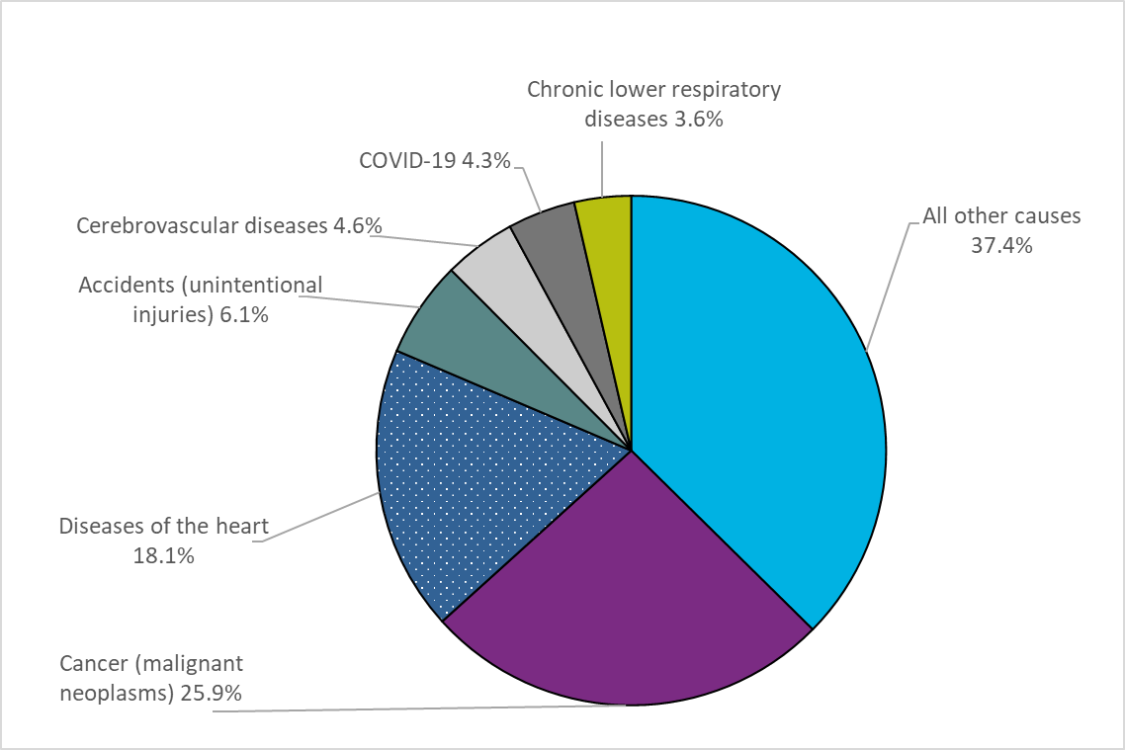

Figure 3.4
Figure 3.4 Percentage of cancer deaths by cancer type and binary sex, Ontario, 2020

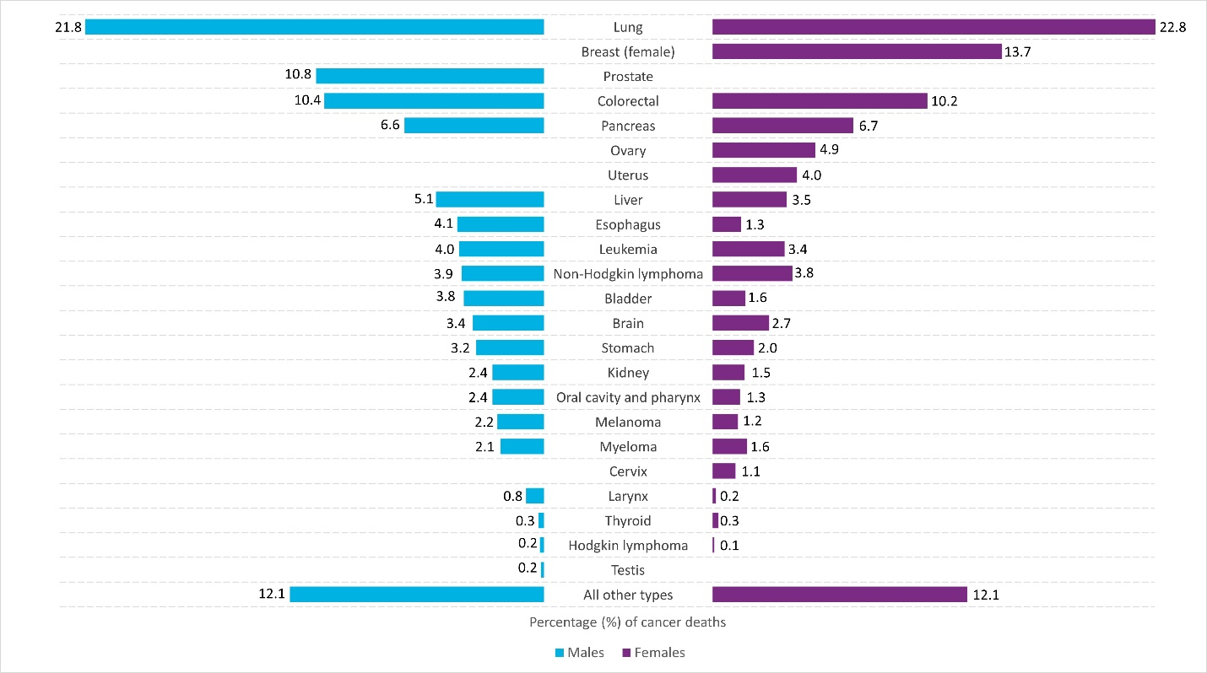
Cancer type | Males | Females
All other types | 12.1 | 12.1
Testis | 0.2 | n/a
Hodgkin lymphoma | 0.2 | 0.1
Thyroid | 0.3 | 0.3
Larynx | 0.8 | 0.2
Cervix | n/a | 1.1
Myeloma | 2.1 | 1.6
Melanoma | 2.2 | 1.2
Oral cavity and pharynx | 2.4 | 1.3
Kidney | 2.4 | 1.5
Stomach | 3.2 | 2.0
Brain | 3.4 | 2.7
Bladder | 3.8 | 1.6
Non-Hodgkin lymphoma | 3.9 | 3.8
Leukemia | 4.0 | 3.4
Esophagus | 4.1 | 1.3
Liver | 5.1 | 3.5
Uterus | n/a | 4.0
Ovary | n/a | 4.9
Pancreas | 6.6 | 6.7
Colorectal | 10.4 | 10.2
Prostate | 10.8 | n/a
Breast (female) | n/a | 13.7
Lung | 21.8 | 22.8
Analysis by: Surveillance, Ontario Health (Cancer Care Ontario)
Data source: Ontario Cancer Registry (February 2023), Ontario Health (Cancer Care Ontario)

Figures 3.5A 3.5B
...
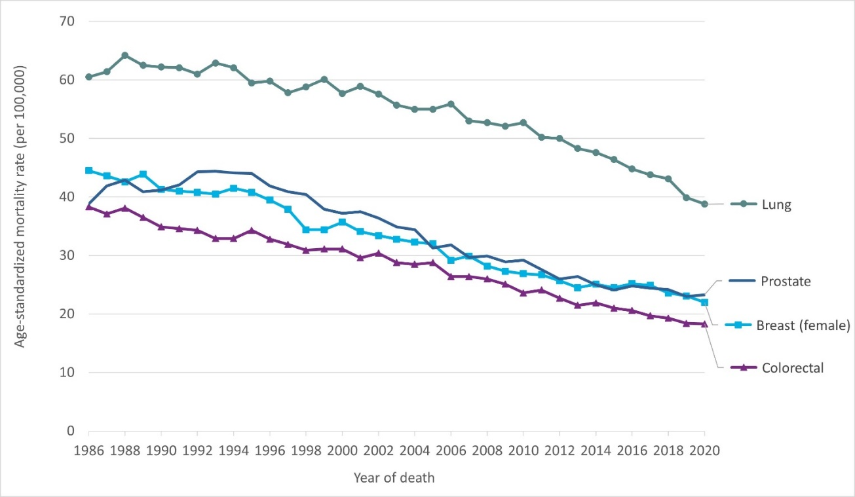
Liver | Hodgkin Lymphoma | Melanoma | Cervix | Pancreas
3.1 | 0.9 | 2.4 | 4.2 | 13.4
3.1 | 0.8 | 2.4 | 4.4 | 13.0
4.0 | 0.8 | 2.4 | 4.5 | 12.6
3.6 | 0.8 | 2.9 | 3.9 | 12.7
3.7 | 0.6 | 2.7 | 4.5 | 12.0
4.2 | 0.8 | 3.1 | 4.0 | 12.1
4.0 | 0.7 | 3.1 | 3.3 | 12.5
4.5 | 0.6 | 2.6 | 3.5 | 12.5
4.8 | 0.5 | 3.0 | 3.3 | 12.9
4.9 | 0.6 | 3.3 | 3.1 | 11.5
4.8 | 0.6 | 3.3 | 3.8 | 11.9
5.0 | 0.6 | 3.2 | 3.2 | 11.7
5.0 | 0.5 | 3.0 | 3.2 | 11.4
5.2 | 0.7 | 3.4 | 3.0 | 11.4
4.8 | 0.5 | 3.3 | 2.8 | 11.6
5.3 | 0.5 | 3.2 | 3.0 | 11.9
5.5 | 0.4 | 3.4 | 2.3 | 11.4
5.6 | 0.5 | 3.0 | 2.5 | 11.8
5.5 | 0.4 | 3.1 | 2.7 | 11.8
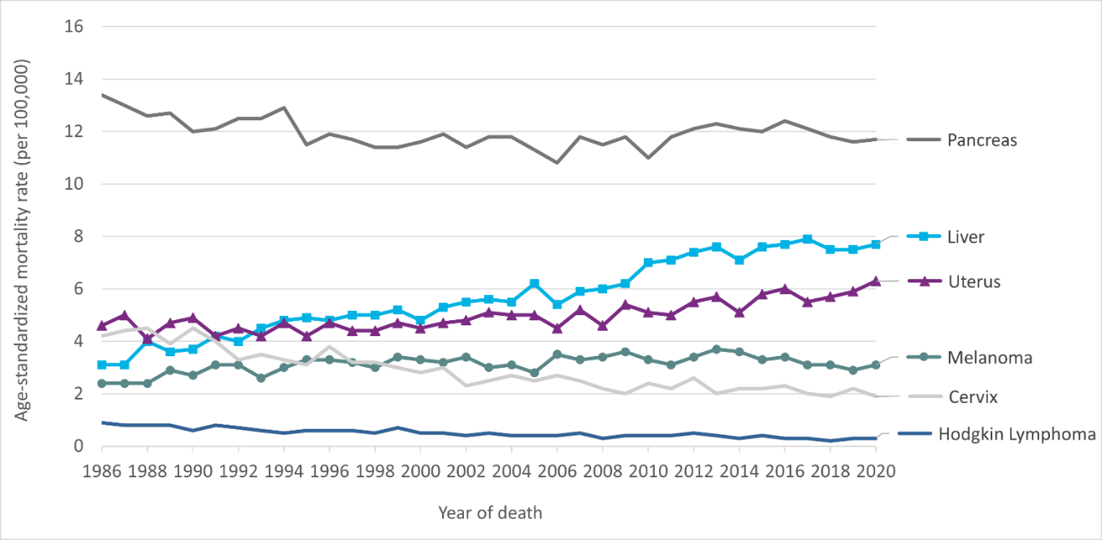
6.2 | 0.4 | 2.8 | 2.5 | 11.3
5.4 | 0.4 | 3.5 | 2.7 | 10.8
5.9 | 0.5 | 3.3 | 2.5 | 11.8
6.0 | 0.3 | 3.4 | 2.2 | 11.5
6.2 | 0.4 | 3.6 | 2.0 | 11.8
7.0 | 0.4 | 3.3 | 2.4 | 11.0
7.1 | 0.4 | 3.1 | 2.2 | 11.8
7.4 | 0.5 | 3.4 | 2.6 | 12.1
7.6 | 0.4 | 3.7 | 2.0 | 12.3
7.1 | 0.3 | 3.6 | 2.2 | 12.1
7.6 | 0.4 | 3.3 | 2.2 | 12.0
7.7 | 0.3 | 3.4 | 2.3 | 12.4
7.9 | 0.3 | 3.1 | 2.0 | 12.1
7.5 | 0.2 | 3.1 | 1.9 | 11.8
7.5 | 0.3 | 2.9 | 2.2 | 11.6
7.7 | 0.3 | 3.1 | 1.9 | 11.7
...

Figure 3.6
...
Cancer type | Male | Female
Uterus | n/a | 0.8
Melanoma | 0.5 | -0.3
Thyroid | 0.7 | -0.5
Liver | 2.7 | 2.5
Symbol: *Statistically significant trend
Note:
· Rates are standardized to the age distribution of the 2011 Canadian Standard population.
Analysis by: Surveillance, Ontario Health (Cancer Care Ontario)
Data source: Ontario Cancer Registry (February 2023), Ontario Health (Cancer Care Ontario)

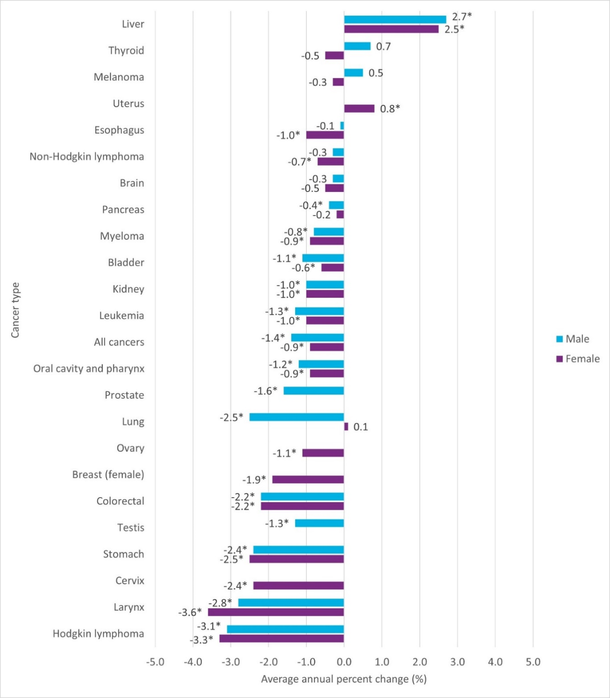

Figure 3.S1
Spotlight: Childhood Cancer Mortality Trend
Figure 3.S1 Age-standardized mortality rates of cancer in children, all cancers combined, ages zero to 14 years, Ontario, 1991 to 2021

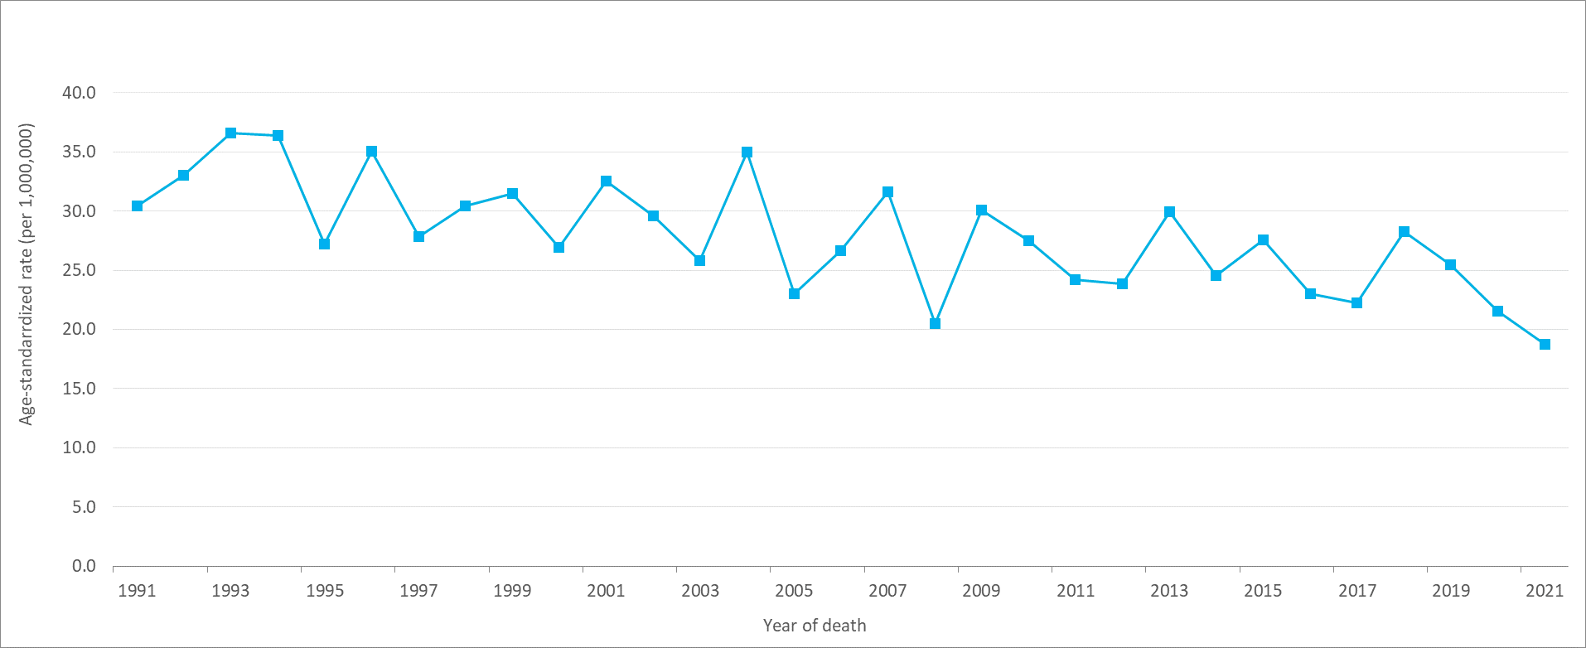
Year | Number of deaths | ASMR | ASMR 95% CI
1991 | 65 | 30.4 | 23.5–38.8
1992 | 72 | 33.0 | 25.8–41.7
1993 | 81 | 36.6 | 29.1–45.6
1994 | 81 | 36.4 | 28.9–45.3
1995 | 61 | 27.2 | 20.8–35.0
1996 | 79 | 35.1 | 27.8–43.7
1997 | 63 | 27.8 | 21.4–35.6
1998 | 69 | 30.4 | 23.6–38.5
1999 | 71 | 31.5 | 24.6–39.7
2000 | 60 | 27.0 | 20.6–34.8
2001 | 73 | 32.6 | 25.5–41.0
2002 | 66 | 29.6 | 22.9–37.7
2003 | 56 | 25.8 | 19.5–33.6
2004 | 77 | 35.0 | 27.6–43.8
2005 | 51 | 23.0 | 17.1–30.3
2006 | 58 | 26.7 | 20.2–34.5
2007 | 68 | 31.6 | 24.5–40.1
2008 | 44 | 20.5 | 14.9–27.5
2009 | 66 | 30.1 | 23.2–38.3
2010 | 60 | 27.5 | 21.0–35.4 | Time period | APC (%)
2011 | 53 | 24.2 | 18.1–31.7 | 1991–2021 | -1.3*
2012 | 52 | 23.9 | 17.8–31.3
2013 | 65 | 29.9 | 23.1–38.2
2014 | 54 | 24.6 | 18.5–32.1
2015 | 60 | 27.6 | 21.0–35.5
2016 | 51 | 23.0 | 17.1–30.3
2017 | 49 | 22.2 | 16.4–29.4
2018 | 63 | 28.3 | 21.7–36.2
2019 | 57 | 25.5 | 19.3–33.0
...

Figure 3.7
...
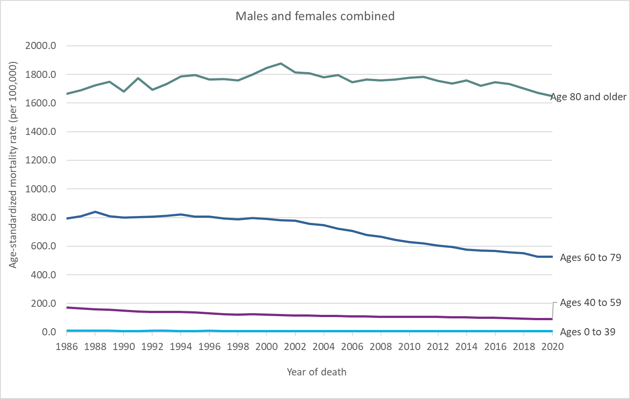
Ages 80 and older — ASMR | Age group | Period | APC
1666.3 | Ages 0 to 39 | 1986–2000 | -1.1*
1688.7 | Ages 0 to 39 | 2000–2006 | -3.5*
1723.6 | Ages 0 to 39 | 2006–2020 | -0.6
1747.9 | Ages 40 to 59 | 1986–1991 | -3.4*
1681.6 | Ages 40 to 59 | 1991–2006 | -1.8*
1774.5 | Ages 40 to 59 | 2006–2014 | -0.7*
1693.2 | Ages 40 to 59 | 2014–2020 | -2.3*
1732.2 | Ages 60 to 79 | 1986–2002 | -0.2*
1787.6 | Ages 60 to 79 | 2002–2010 | -2.8*
1794.9 | Ages 60 to 79 | 2010–2020 | -1.8*
1764.2 | Age 80 and older | 1986–2001 | 0.5*
1767.7 | Age 80 and older | 2001–2016 | -0.3*
1758.4 | Age 80 and older | 2016–2020 | -1.2*
1797.8
1845.1
1875.9
1814.9
1806.9
1781.8
1796.8
1745.0
1764.0
1757.7
1765.7
1776.1
1784.3
1754.5
1737.3
1757.4
1721.4
1745.0
1732.5
1702.4
1670.5
1648.2
...
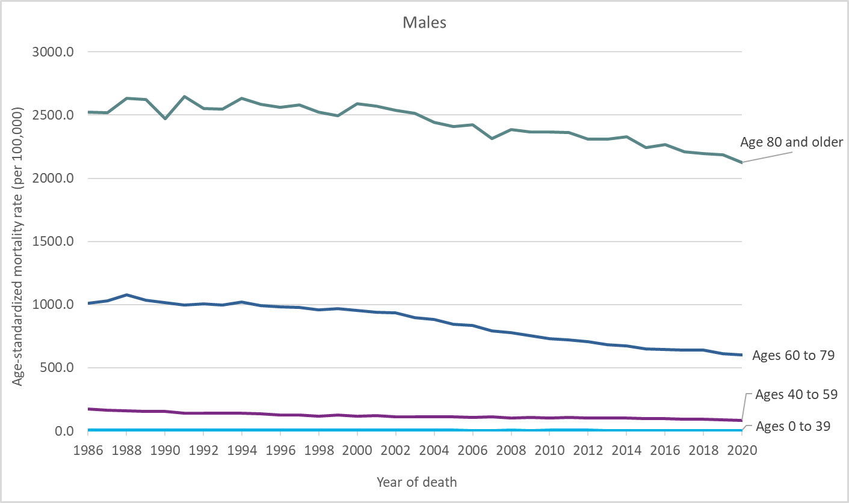
Ages 80 and older — ASMR | Age group | Period | APC
2520.6 | Ages 0 to 39 | 1986—2020 | -1.6*
2517.3 | Ages 40 to 59 | 1986—1998 | -2.8*
2634.6 | Ages 40 to 59 | 1998—2016 | -1.2*
2621.1 | Ages 40 to 59 | 2016—2020 | -3.0*
2471.9 | Ages 60 to 79 | 1986—2001 | -0.6*
2646.5 | Ages 60 to 79 | 2001—2013 | -2.8*
2553.7 | Ages 60 to 79 | 2013—2020 | -1.6*
2548.2 | Age 80 and older | 1986—2000 | -0.1
2632.5 | Age 80 and older | 2000—2020 | -0.8*
2582.8
2559.0
2578.2
2521.9
2493.1
2591.8
2571.3
2538.3
2514.4
2364.3
2366.7
2359.1
2307.3
2329.7
2241.1
2207.9
2195.1
2184.6
2124.7
...
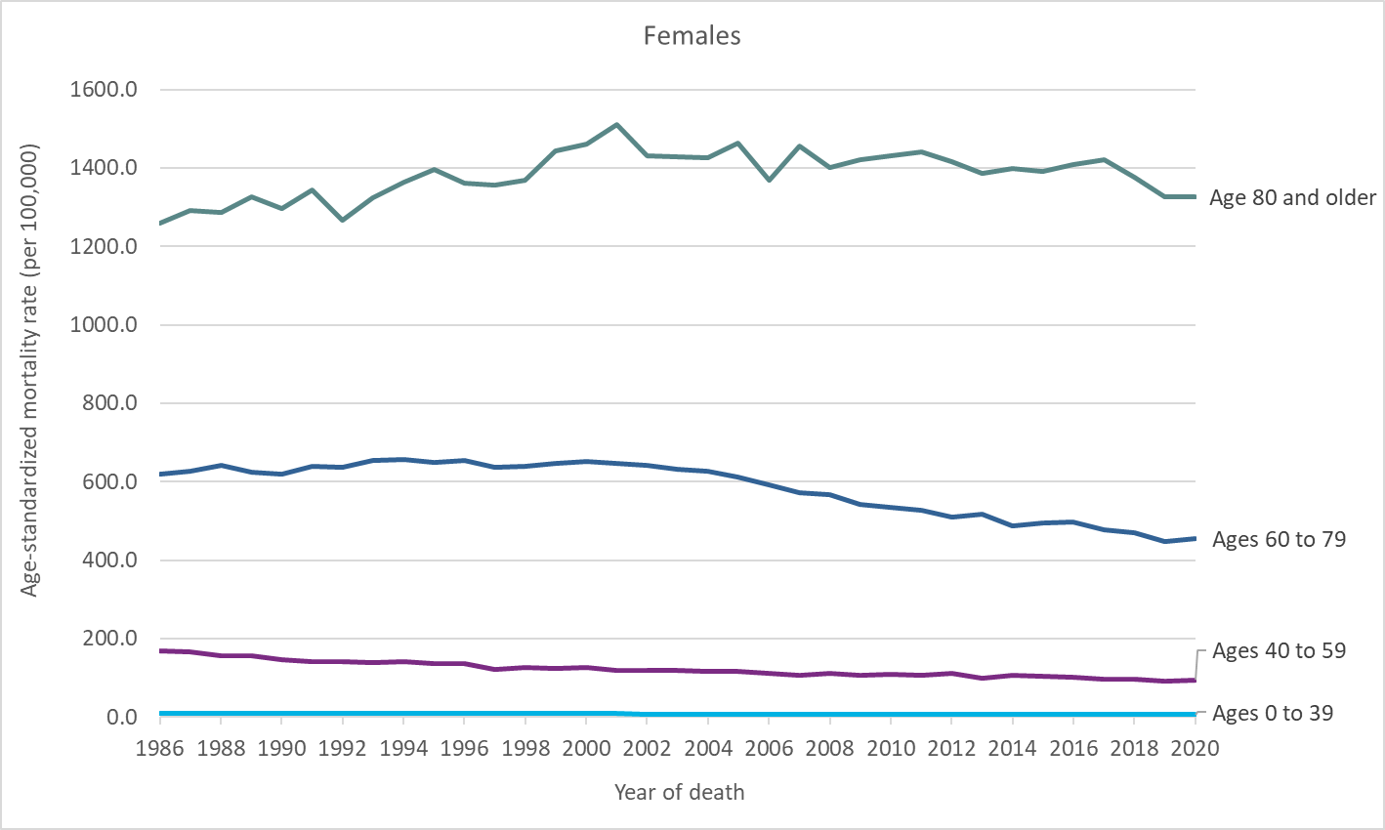
Ages 80 and older — ASMR | Age group | Period | APC
1258.7 | Ages 0 to 39 | 1986—2001 | -0.9*
1292.6 | Ages 0 to 39 | 2001—2006 | -4.9
1287.6 | Ages 0 to 39 | 2006—2015 | 0.8
1326.8 | Ages 0 to 39 | 2015—2020 | -3.6
1296.0 | Ages 40 to 59 | 1986—1997 | -2.4*
1345.1 | Ages 40 to 59 | 1997—2020 | -1.3*
1267.0 | Ages 60 to 79 | 1986—2002 | 0.2*
1325.3 | Ages 60 to 79 | 2002—2010 | -2.5*
1362.7 | Ages 60 to 79 | 2010—2020 | -1.6*
1397.0 | Age 80 and older | 1986—2001 | 1.0*
1361.2 | Age 80 and older | 2001—2020 | -0.3*
1355.6
1369.1
1442.8
1459.9
1511.3
1431.2
1427.7
1425.0
1463.6
1369.8
1456.1
1401.4
1421.0
1430.3
1442.3
1416.9
...

Figure 4.1
...
Year of Diagnosis | All ages — RSR | All ages — Lower CI | All ages — Upper CI | Ages 15-39 — RSR | Ages 15-39 — Lower CI | Ages 15-39 — Upper CI | Ages 40-59 — RSR | Ages 40-59 — Lower CI | Ages 40-59 — Upper CI | Ages 60-79 — RSR | Ages 60-79 — Lower CI | Ages 60-79 — Upper CI | Ages 80-99 — RSR
RSR means relative survival ratio
CI means confidence interval
Notes:
· The analysis was restricted to people ages 15 to 99.
· The International Agency for Research on Cancer/International Association of Cancer Registries multiple primary rules were used for selecting cases.
· This analysis includes carcinoma in situ cases for bladder cancer.
· The period method was used to derive relative survival ratios for the 2016–2020 period. The cohort method was used for all other periods.
Analysis by: Surveillance, Ontario Health (Cancer Care Ontario)
Data source: Ontario Cancer Registry (December 2022), Ontario Health (Cancer Care Ontario)

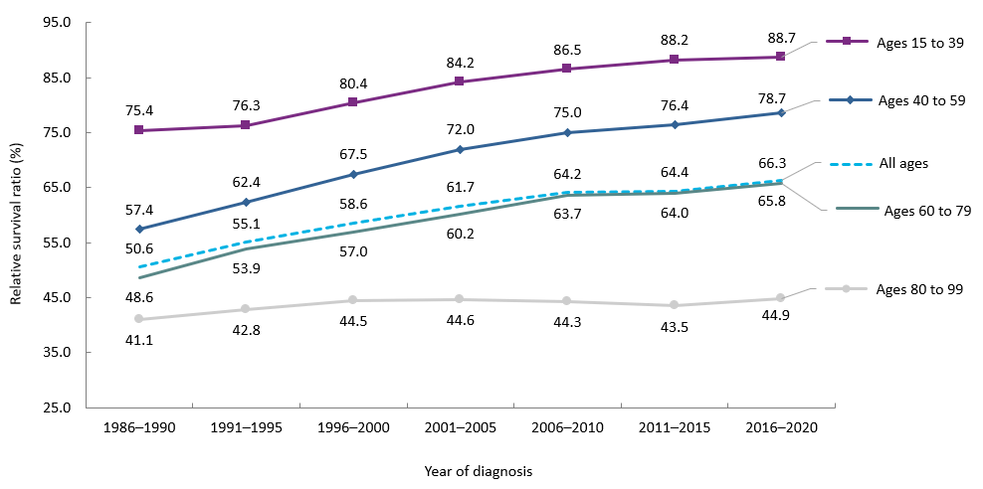

Figure 4.S1
...
Period of diagnosis | Number of cases | 5-Year OSP | 5-year OSP (%) | 95% CI
2007–2011 | 1,867 | 84.3% | 84.3 | 82.6%–85.9%
2012–2016 | 2,031 | 84.8% | 84.8 | 83.2%–86.4%
2017–2021 | 1,958 | 86.3% | 86.3 | 84.8%–87.6%
Abbreviation: OSP means overall survival proportion
Notes:
· The cohort method was used to derive five-year overall survival proportions for cases with a first primary cancer diagnosed from 1987 to 2016; the period method was used to derive five-year overall survival proportions for cases diagnosed in 2017–2021.
· Overall survival proportions do not adjust for the expected survival of the general population of children in Ontario who are the same age and sex during the same period.
Analysis by: Health Analytics, Pediatric Oncology Group of Ontario
Data source: POGONIS (May 11, 2023), Pediatric Oncology Group of Ontario

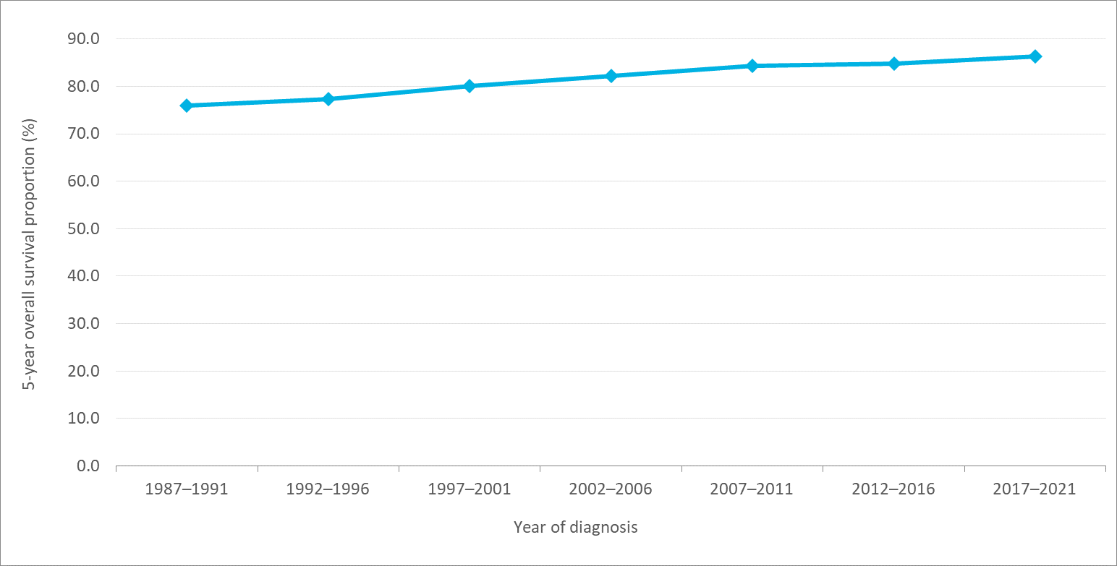

Figure 4.2
...
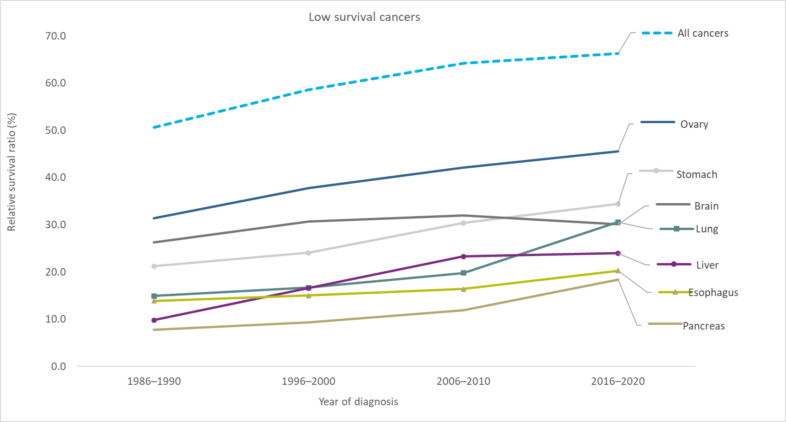
2016–2020 — RSR (%)
18.40
24.00
20.30
30.60
34.40
30.10
45.60
59.60
61.90
66.30
70.90
66.90
78.40
63.90
63.20
68.80
92.00
86.70
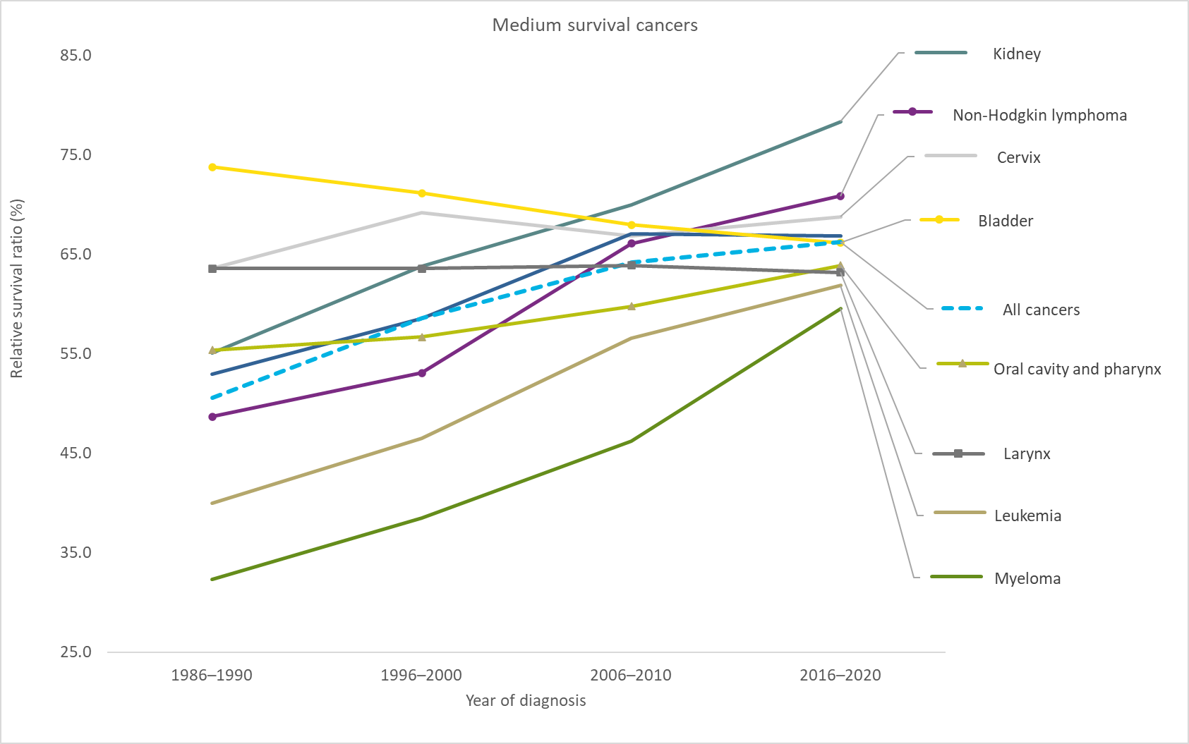
89.40
66.20
79.60
91.30
92.60
97.00
...
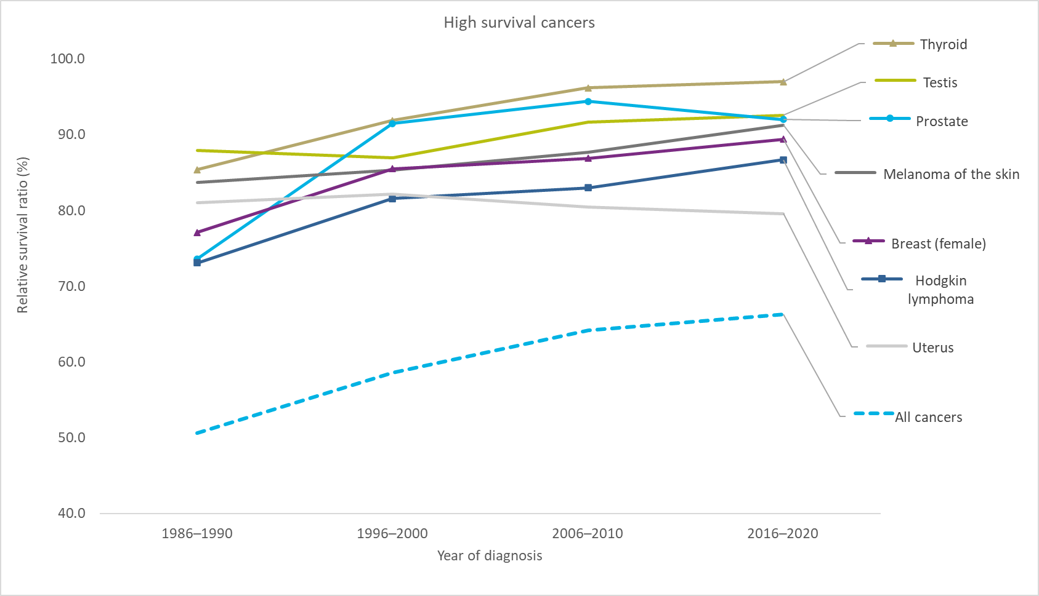

Figure 4.3
...
Cancer type | 1-year RSR (2019–2020) — RSR | 1-year RSR (2019–2020) — 95% CI | 5-year RSR (2016–2020) — RSR | 5-year RSR (2016–2020) — 95% CI | 10-year RSR (2011–2020) — RSR | 10-year RSR (2011–2020) — 95% CI | 15-year RSR (2006–2020) — RSR | 15-year RSR (2006–2020) — 95% CI
Bladder | 89.4 | 88.7–90.1 | 78.5 | 77.4–79.6 | 70.7 | 69.1–72.2 | 62.9 | 60.4–65.2
All cancers | 80.5 | 80.3–80.7 | 67.3 | 67.1–67.5 | 62.4 | 62.1–62.7 | 60.5 | 60.1–60.8
Abbreviation: RSR means relative survival ratio
Notes:
· Analysis was restricted to ages 15 to 99.
· Bladder cancer includes carcinoma in situ cases.
· The period method was used to derive relative survival ratios.
Analysis by: Surveillance, Ontario Health (Cancer Care Ontario)
Data source: Ontario Cancer Registry (December 2022), Ontario Health (Cancer Care Ontario)

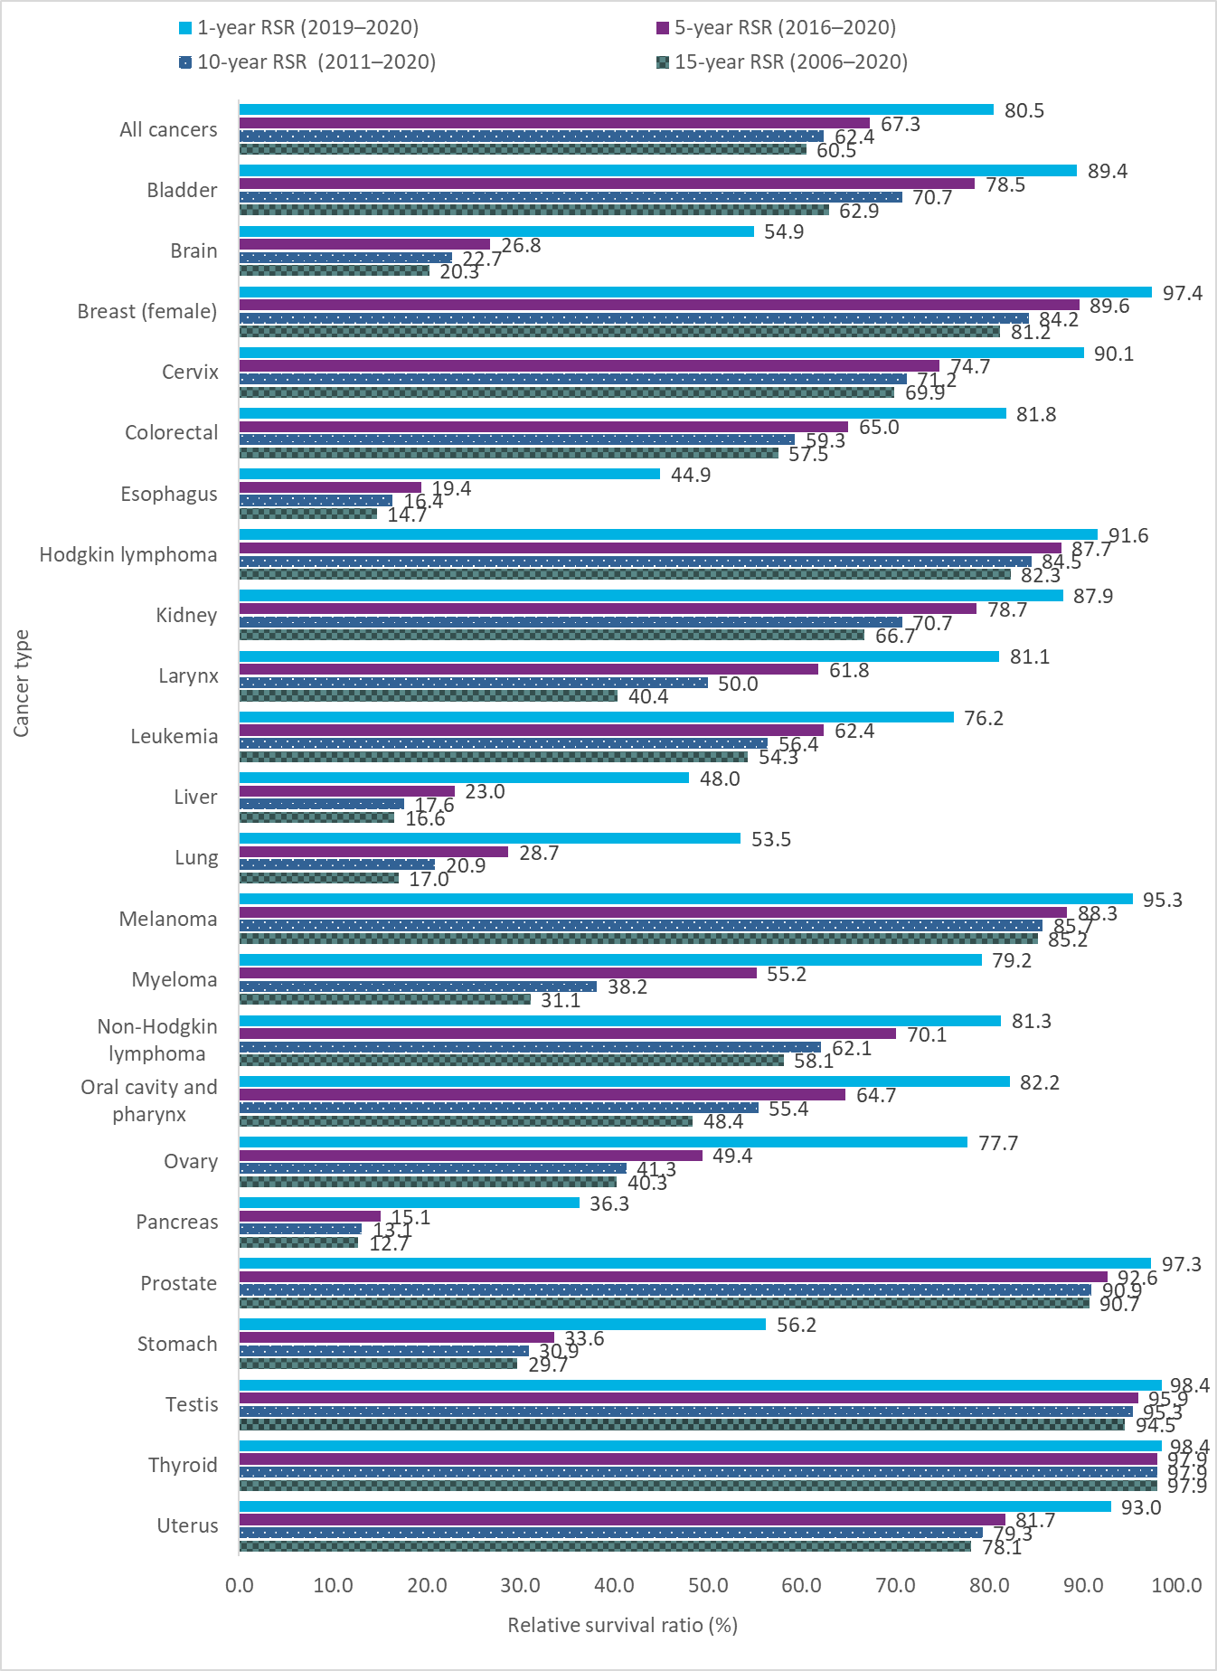

Figure 4.4
...
Cancer type | Stage 1 — RSR | Stage 1 — 95% CI | Stage 2 — RSR | Stage 2 — 95% CI | Stage 3 — RSR | Stage 3 — 95% CI | Stage 4 — RSR | Stage 4 — 95% CI
Non-small cell lung | 67.1 | 65.4 – 68.8 | 45.2 | 42.4 – 47.9 | 21.8 | 20.3 – 23.4 | 6.0 | 5.4 – 6.7
Small cell lung | 34.3 | 25.4 – 43.4 | 17.6 | 11.0 – 25.3 | 14.4 | 11.8 – 17.4 | 2.3 | 1.7 – 3.1
Prostate | 99.9 | 96.3 – 100.0 | 99.5 | 98.1 – 99.9 | 99.5 | 96.0 – 99.9 | 46.2 | 43.8 – 48.6
Abbreviation: RSR means relative survival ratio
Notes:
· Analysis was restricted to ages 15 to 99.
· Cases with unknown stage or that were not staged were excluded from this analysis.
Analysis by: Surveillance, Ontario Health (Cancer Care Ontario)
Data source: Ontario Cancer Registry (December 2022), Ontario Health (Cancer Care Ontario)

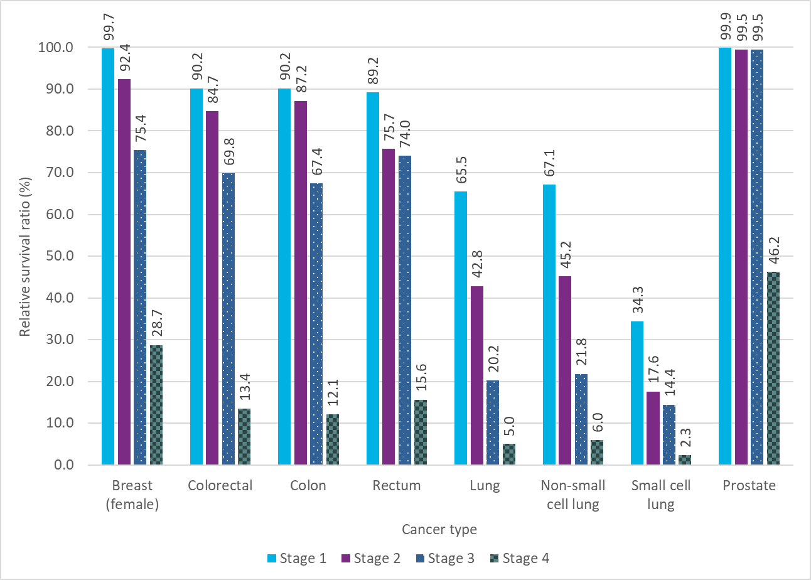

Figure 5.1
Figure 5.1 Thirty-year prevalence by cancer type, Ontario, 2020

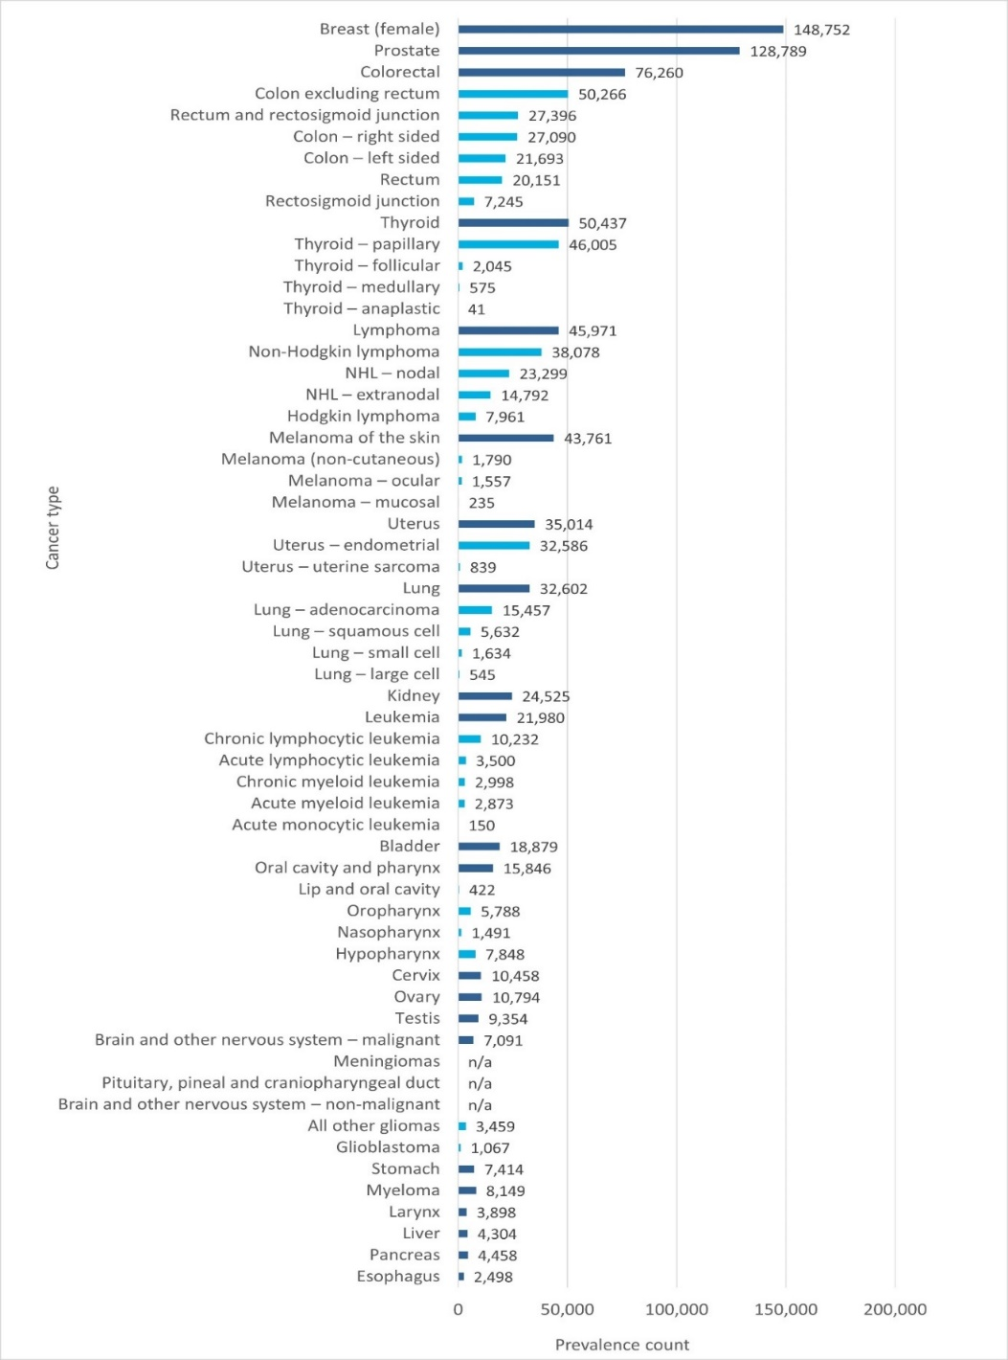
Cancer type | Prevalence count
Esophagus | 2,498
Pancreas | 4,458
Liver | 4,304
Larynx | 3,898
Myeloma | 8,149
Stomach | 7,414
Glioblastoma | 1,067
All other gliomas | 3,459
Brain and other nervous system – non-malignant | n/a
Pituitary, pineal and craniopharyngeal duct | n/a
Meningiomas | n/a
Brain and other nervous system – malignant | 7,091
Testis | 9,354
Ovary | 10,794
Cervix | 10,458
Hypopharynx | 7,848
Nasopharynx | 1,491
Oropharynx | 5,788
Lip and oral cavity | 422
Oral cavity and pharynx | 15,846
Bladder | 18,879
Acute monocytic leukemia | 150
Acute myeloid leukemia | 2,873
Chronic myeloid leukemia | 2,998
Acute lymphocytic leukemia | 3,500
Chronic lymphocytic leukemia | 10,232
Leukemia | 21,980
Kidney | 24,525
Lung – large cell | 545
Lung – small cell | 1,634
Lung – squamous cell | 5,632
Lung – adenocarcinoma | 15,457
Lung | 32,602
Uterus – uterine sarcoma | 839
Uterus – endometrial | 32,586
Uterus | 35,014
Melanoma – mucosal | 235
Melanoma – ocular | 1,557
Melanoma (non-cutaneous) | 1,790
Melanoma of the skin | 43,761
Hodgkin lymphoma | 7,961
NHL – extranodal | 14,792
NHL – nodal | 23,299
Non-Hodgkin lymphoma | 38,078
Lymphoma | 45,971
Thyroid – anaplastic | 41
Thyroid – medullary | 575
...

Figure 5.2
...
Year | All cancers (Total) | All other cancers | Breast (female) | Colorectal | Lung | Prostate
2016 | 393,710 | 180,182 | 74,604 | 45,595 | 21,027 | 72,302
2017 | 402,097 | 186,330 | 76,107 | 45,769 | 22,256 | 71,635
2018 | 410,751 | 191,610 | 78,124 | 45,520 | 23,402 | 72,095
2019 | 418,299 | 196,705 | 80,182 | 45,442 | 24,684 | 71,286
2020 | 419,355 | 199,414 | 80,486 | 44,924 | 25,401 | 69,130
Note:
· Prevalence counts are based on incidence counts using International Agency for Research on Cancer/International Association of Cancer Registries rules for counting multiple primaries.
Analysis by: Surveillance, Ontario Health (Cancer Care Ontario)
Data source: Ontario Cancer Registry (December 2022), Ontario Health (Cancer Care Ontario)

